Bit List
SAINSMART Bits and End Mills |  |  | By Graham Bland Nov 2020 |  | V1.0 |  |  |  | Fusion 360 Millng Bits and Drill |  |  |  |  |  |  |  |  |  |  |  |  |  |  |  |  |  |  |  |  |  |  | Vcarve Bits
Holder: | ER11-A |  |  |  |  |  |  |  | Type | Clockwise | Number of Flutes | Material | Dia | Shaft Dia | OA Length | Length below Holder | Shoulder length | Flute Length | Corner Radius | Taper Angle (One side) | Tip Length | Tip Dia | Tip Angle | Thread Pitch | Number of Teeth | Thread Profile Angle | Shaft Height | Shaft Upper Dia | Shaft Lower Dia |  | NOTE: The tool name in V-Carve is derived from a number of parameter values. In the tool library some of these have been edited to either differentiate between similar bits or provide more information than is present in the tool parameters. | Type | Diameter | Flutes | Tip Radius | Included Angle | Side Angle | Flat Diameter | Tooth Height | Tooth Size | Tooth Offset | Neck Length | Coatings | Bit_Materials | Same_Varied | Recommended
SainSmart ER11 Spring Collet Set 1.0mm-7.0mm |  |  |  |  | Clamping Length mm | 18 |  |  | ball end mill | X | X | X | X | X | X | X | X | X |  |  |  |  |  |  |  |  | Shaft starts above the shoulder length of a bit and is used to describe any contours on the shaft before it reaches the Shaft Dia. Normally not needed and is only used for collision detection (I think) Shaft segments start at the top Index 1 being the highest. |  |  |  |  | Ball Nose | X | X |  |  |  |  |  |  |  |  |  | HSS | Same | Y
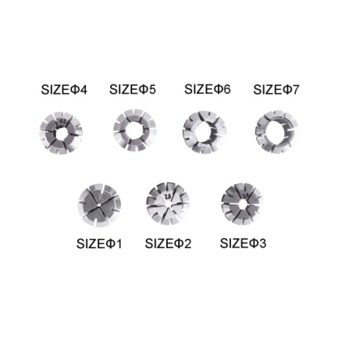
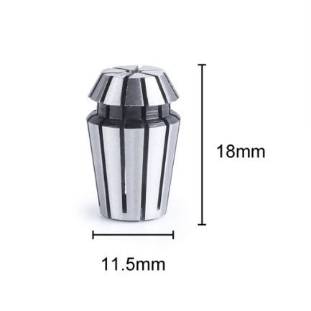
Collets for ER11 | Internal Dia |  |  |  |  |  |  |  | bull nose end mill | X | X | X | X | X | X | X | X | X | X |  |  |  |  |  |  |  |  |  |  |  |  | End Mill | X | X |  |  |  |  |  |  |  |  | Nano Blue Coat | Tungsten Steel | Varied | ~
 | 1mm |  |  |  |  |  |  |  | chamfer mill | X | X | X | X | X | X | X | X | X |  | X |  | X |  |  |  |  |  |  |  |  |  | Radiused End Mill | X | X | X |  |  |  |  |  |  |  | Titanium Coating | Ti Coated | Same (Dia) | N
 | 2mm |  |  |  |  |  |  |  | dovetail mill | X | X | X | X | X | X | X | X | X | X | X |  |  |  |  |  |  |  |  |  |  |  | V-Bit | X | X |  | X |  |  |  |  |  |  |  | Carbide | Single
 | 3mm |  |  |  |  |  |  |  | face mill | X | X | X | X | X | X | X | X | X | X | X |  |  |  |  |  |  |  |  |  |  |  | Engraving | X | X |  |  | X | X |  |  |  |  |  | Ceramics
 | 4mm |  |  |  |  |  |  |  | flat end mill | X | X | X | X | X | X | X | X | X |  |  |  |  |  |  |  |  |  |  |  |  |  | Tapered Ball Nose | X | X | X |  | X
 | 5mm |  |  |  |  |  |  |  | lollipop mill | X | X | X | X | X | X | X | X | X |  |  |  |  |  |  |  |  |  |  |  |  |  | Drill | X | X |  | X |  |  |  |  |  |  |  | Tungsten Carbide Steel Alloy
 | 6mm |  |  |  |  |  |  |  | radius mill | X | X | X | X | X | X | X | X | X | X |  | X |  |  |  |  |  |  |  |  |  |  | Thread Mill | X | X |  | X |  |  | X | X | X | X
 | 7mm |  |  |  |  |  |  |  | slot mill | X | X | X | X | X | X | X | X | X | X |  |  |  |  |  |  |  |  |  |  |  |  | Form Tool
NOTES: |  |  |  |  |  |  |  |  | tapered mill/Ball | X | X | X | X | X | X | X | X | X | X | X |  |  |  |  |  |  |  |  |  |  |  | Diamond Drag | X |  |  | X
The collet which came with your machine is almost certainly a 3mm or 1/8" (3.175mm) These collets will take a bit with a shaft diameter of 3 or 3.175mm If you are intending to use bits with a larger or smaller shaft diameter you will need a suitable collet. |  |  |  |  |  |  |  |  | tapered mill/Bull Nose | X | X | X | X | X | X | X | X | X | X | X
 |  |  |  |  |  |  |  |  | thread mill | X | X | X | X | X | X | X | X | X |  |  |  |  |  | X | X | X
The bits are sold individually or in sets. As this is just defining the bits any multiple identical bits in the same set are only defined once. |  |  |  |  |  |  |  |  | form mill | X | X | X | X | X | X | X |  | X
Fusion 360 has the most comprehensive description of a bit I have found, any other software has their values based on these using simple formulas. There are some exceptions to the simple rules, any overrides will be either in red or italics |  |  |  |  |  |  |  |  | Drill | X | X | X | X | X | X | X | X | X |  |  |  |  | X

 |  |  |  |  |  |  |  |  | Fusion 360 Setup |  |  |  |  |  |  |  |  |  |  |  |  |  |  |  |  |  |  |  |  | Vcarve Setup
Pack Description | Website Ref | Pack Qty | Same Varied | Bit Material | SKU | Coating | Individual Description | Product ID | Type | Clockwise | Number of Flutes | Material | Dia | Shaft Dia | OA Length | Length below Holder | Shoulder length | Flute Length | Corner Radius | Taper Angle (One side) | Tip Length | Tip Dia | Tip Angle | Thread Pitch | Number of Teeth | Thread Profile Angle | Shaft Height | Shaft Upper Dia | Shaft Lower Dia | Group Name | Notes | Type | Diameter | Flutes | Tip Radius | Included Angle | Side Angle | Flat Diameter | Tooth Height | Tooth Size | Tooth Offset | Neck Length
Genmitsu 1/8" Engraving Bits 10-PCS 20 Degree Set V20, 0.1mm, Nano Blue Coating | V20 | 10 | Same | Tungsten Carbide Steel Alloy | 101-60-70V20 | Nano Blue Coat | V Engraving Bit 20 Deg 0.1mm Tip | V20 | chamfer mill | yes | 1 | Ti Coated | 3.175 | 3.175 | 27 | 17 | 15 | 14 |  | 10 |  | 0.1 |  |  |  |  |  |  |  | SainSmart [V20] V Engraving 20 Deg | SainSmart [V20] V Engraving Bit 20 Deg 0.1mm Tip Nano Blue Coat | Engraving | 3.175 | 1 |  |  | 10 | 0.1
 | Images
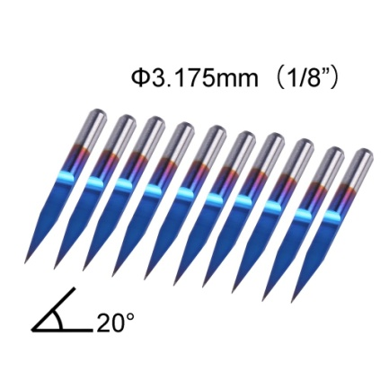

 |  |  |  |  |  |  |  |  | Fusion 360 Setup |  |  |  |  |  |  |  |  |  |  |  |  |  |  |  |  |  |  |  |  | Vcarve Setup
Pack Description | Website Ref | Pack Qty | Same Varied | Bit Material | SKU | Coating | Individual Description | Product ID | Type | Clockwise | Number of Flutes | Material | Dia | Shaft Dia | OA Length | Length below Holder | Shoulder length | Flute Length | Corner Radius | Taper Angle (One side) | Tip Length | Tip Dia | Tip Angle | Thread Pitch | Number of Teeth | Thread Profile Angle | Shaft Height | Shaft Upper Dia | Shaft Lower Dia | Group Name | Notes | Type | Diameter | Flutes | Tip Radius | Included Angle | Side Angle | Flat Diameter | Tooth Height | Tooth Size | Tooth Offset | Neck Length
Genmitsu 1/8" Engraving Bits 10-PCS 15 Degree Set V15, 0.1mm, Nano Blue Coating | V15 | 10 | Same | Tungsten Carbide Steel Alloy | 101-60-70V15 | Nano Blue Coat | V Engraving Bit 15 Deg 0.1mm Tip | V15 | chamfer mill | yes | 1 | Ti Coated | 3.175 | 3.175 | 29 | 17 | 16 | 15 |  | 7.5 |  | 0.1 |  |  |  |  |  |  |  | SainSmart [V15] V Engraving 15 Deg | SainSmart [V15] V Engraving Bit 15 Deg 0.1mm Tip Nano Blue Coat | Engraving | 3.175 | 1 |  |  | 7.5 | 0.1
 | Images
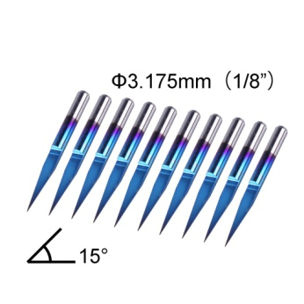

 |  |  |  |  |  |  |  |  | Fusion 360 Setup |  |  |  |  |  |  |  |  |  |  |  |  |  |  |  |  |  |  |  |  | Vcarve Setup
Pack Description | Website Ref | Pack Qty | Same Varied | Bit Material | SKU | Coating | Individual Description | Product ID | Type | Clockwise | Number of Flutes | Material | Dia | Shaft Dia | OA Length | Length below Holder | Shoulder length | Flute Length | Corner Radius | Taper Angle (One side) | Tip Length | Tip Dia | Tip Angle | Thread Pitch | Number of Teeth | Thread Profile Angle | Shaft Height | Shaft Upper Dia | Shaft Lower Dia | Group Name | Notes | Type | Diameter | Flutes | Tip Radius | Included Angle | Side Angle | Flat Diameter | Tooth Height | Tooth Size | Tooth Offset | Neck Length
Genmitsu 1/8" Engraving Bits 10-PCS 30 Degree Set V30, 0.1mm, Nano Blue Coating | V30 | 10 | Same | Tungsten Carbide Steel Alloy | 101-60-70V30 | Nano Blue Coat | V Engraving Bit 30 Deg 0.1mm Tip | V30 | chamfer mill | yes | 1 | Ti Coated | 3.175 | 3.175 | 27 | 17 | 16 | 15 |  | 15 |  | 0.1 |  |  |  |  |  |  |  | SainSmart [V30] V Engraving 30 Deg | SainSmart [V30] V Engraving Bit 30 Deg 0.1mm Tip Nano Blue Coat | Engraving | 3.175 | 1 |  |  | 15 | 0.1
 | Images
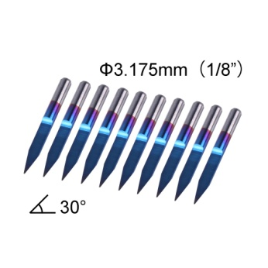

 |  |  |  |  |  |  |  |  | Fusion 360 Setup |  |  |  |  |  |  |  |  |  |  |  |  |  |  |  |  |  |  |  |  | Vcarve Setup
Pack Description | Website Ref | Pack Qty | Same Varied | Bit Material | SKU | Coating | Individual Description | Product ID | Type | Clockwise | Number of Flutes | Material | Dia | Shaft Dia | OA Length | Length below Holder | Shoulder length | Flute Length | Corner Radius | Taper Angle (One side) | Tip Length | Tip Dia | Tip Angle | Thread Pitch | Number of Teeth | Thread Profile Angle | Shaft Height | Shaft Upper Dia | Shaft Lower Dia | Group Name | Notes | Type | Diameter | Flutes | Tip Radius | Included Angle | Side Angle | Flat Diameter | Tooth Height | Tooth Size | Tooth Offset | Neck Length
Genmitsu 1/8" Router Bit 10-PCS Variety Set C08, 0.8-3.0mm Nano Blue Coating | C08 | 10 | Same (Dia) | Tungsten Carbide Steel Alloy | 101-60-70C08 | Nano Blue Coat | Router Corncob 2 Flute | C08 | flat end mill | yes | 2 | Ti Coated | 0.8 | 3.175 | 37 | 19 | 7 | 6 |  |  |  |  |  |  |  |  | 7 | 3.175 | 0.8 | SainSmart [C08] Router 0.8-3.0mm | SainSmart [C08] Router Corncob 2 Flute Nano Blue Coat | End Mill | 0.8 | 2
 | Images |  |  |  |  |  | Router Corncob 2 Flute | C08 | flat end mill | yes | 2 | Ti Coated | 1 | 3.175 | 37 | 19 | 9 | 6 |  |  |  |  |  |  |  |  | 5 | 3.175 | 1 |  | SainSmart [C08] Router Corncob 2 Flute Nano Blue Coat | End Mill | 1 | 2
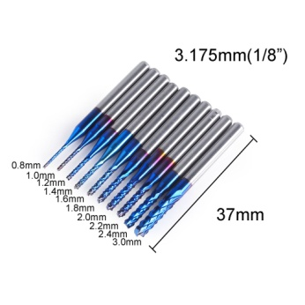
 |  |  |  |  |  |  | Router Corncob 2 Flute | C08 | flat end mill | yes | 2 | Ti Coated | 1.2 | 3.175 | 37 | 19 | 9 | 7 |  |  |  |  |  |  |  |  | 5 | 3.175 | 1.2 |  | SainSmart [C08] Router Corncob 2 Flute Nano Blue Coat | End Mill | 1.2 | 2
 |  |  |  |  |  |  | Router Corncob 2 Flute | C08 | flat end mill | yes | 2 | Ti Coated | 1.4 | 3.175 | 37 | 19 | 9 | 8 |  |  |  |  |  |  |  |  | 5 | 3.175 | 1.4 |  | SainSmart [C08] Router Corncob 2 Flute Nano Blue Coat | End Mill | 1.4 | 2
 |  |  |  |  |  |  | Router Corncob 2 Flute | C08 | flat end mill | yes | 2 | Ti Coated | 1.6 | 3.175 | 37 | 19 | 10 | 8 |  |  |  |  |  |  |  |  | 4 | 3.175 | 1.6 |  | SainSmart [C08] Router Corncob 2 Flute Nano Blue Coat | End Mill | 1.6 | 2
 |  |  |  |  |  |  | Router Corncob 2 Flute | C08 | flat end mill | yes | 2 | Ti Coated | 1.8 | 3.175 | 37 | 19 | 10 | 8 |  |  |  |  |  |  |  |  | 4 | 3.175 | 1.8 |  | SainSmart [C08] Router Corncob 2 Flute Nano Blue Coat | End Mill | 1.8 | 2
 |  |  |  |  |  |  | Router Corncob 2 Flute | C08 | flat end mill | yes | 2 | Ti Coated | 2 | 3.175 | 37 | 19 | 10 | 8 |  |  |  |  |  |  |  |  | 4 | 3.175 | 2 |  | SainSmart [C08] Router Corncob 2 Flute Nano Blue Coat | End Mill | 2 | 2
 |  |  |  |  |  |  | Router Corncob 2 Flute | C08 | flat end mill | yes | 2 | Ti Coated | 2.2 | 3.175 | 37 | 19 | 10 | 8 |  |  |  |  |  |  |  |  | 4 | 3.175 | 2.2 |  | SainSmart [C08] Router Corncob 2 Flute Nano Blue Coat | End Mill | 2.2 | 2
 |  |  |  |  |  |  | Router Corncob 2 Flute | C08 | flat end mill | yes | 2 | Ti Coated | 2.4 | 3.175 | 37 | 19 | 10 | 8 |  |  |  |  |  |  |  |  | 4 | 3.175 | 2.4 |  | SainSmart [C08] Router Corncob 2 Flute Nano Blue Coat | End Mill | 2.4 | 2
 |  |  |  |  |  |  | Router Corncob 2 Flute | C08 | flat end mill | yes | 2 | Ti Coated | 3 | 3.175 | 37 | 19 | 12 | 10 |  |  |  |  |  |  |  |  | 2 | 3.175 | 3 |  | SainSmart [C08] Router Corncob 2 Flute Nano Blue Coat | End Mill | 3 | 2

 |  |  |  |  |  |  |  |  | Fusion 360 Setup |  |  |  |  |  |  |  |  |  |  |  |  |  |  |  |  |  |  |  |  | Vcarve Setup
Pack Description | Website Ref | Pack Qty | Same Varied | Bit Material | SKU | Coating | Individual Description | Product ID | Type | Clockwise | Number of Flutes | Material | Dia | Shaft Dia | OA Length | Length below Holder | Shoulder length | Flute Length | Corner Radius | Taper Angle (One side) | Tip Length | Tip Dia | Tip Angle | Thread Pitch | Number of Teeth | Thread Profile Angle | Shaft Height | Shaft Upper Dia | Shaft Lower Dia | Group Name | Notes | Type | Diameter | Flutes | Tip Radius | Included Angle | Side Angle | Flat Diameter | Tooth Height | Tooth Size | Tooth Offset | Neck Length
Genmitsu 1/8" Router Bit 10-PCS Variety Set C15, 1.5-3.175mm Nano Blue Coating | C15 | 10 | Same (Dia) | Tungsten Carbide Steel Alloy | 101-60-70C15 | Nano Blue Coat | Router Corncob 2 Flute | C15 | flat end mill | yes | 2 | Ti Coated | 1.5 | 3.175 | 37 | 19 | 10 | 8 |  |  |  |  |  |  |  |  | 4 | 3.175 | 1.5 | SainSmart [C15] Router 1.5-3.175mm | SainSmart [C15] Router Corncob 2 Flute Nano Blue Coat | End Mill | 1.5 | 2
 | Images |  |  |  |  |  | Router Corncob 2 Flute | C15 | flat end mill | yes | 2 | Ti Coated | 1.6 | 3.175 | 37 | 19 | 10 | 8 |  |  |  |  |  |  |  |  | 4 | 3.175 | 1.6 |  | SainSmart [C15] Router Corncob 2 Flute Nano Blue Coat | End Mill | 1.6 | 2
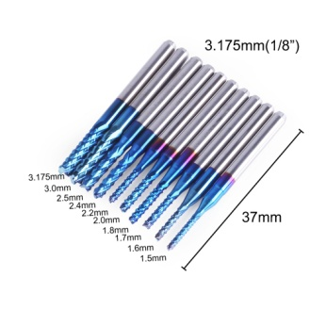
 |  |  |  |  |  |  | Router Corncob 2 Flute | C15 | flat end mill | yes | 2 | Ti Coated | 1.7 | 3.175 | 37 | 19 | 10 | 8 |  |  |  |  |  |  |  |  | 4 | 3.175 | 1.7 |  | SainSmart [C15] Router Corncob 2 Flute Nano Blue Coat | End Mill | 1.7 | 2
 |  |  |  |  |  |  | Router Corncob 2 Flute | C15 | flat end mill | yes | 2 | Ti Coated | 1.8 | 3.175 | 37 | 19 | 10 | 8 |  |  |  |  |  |  |  |  | 4 | 3.175 | 1.8 |  | SainSmart [C15] Router Corncob 2 Flute Nano Blue Coat | End Mill | 1.8 | 2
 |  |  |  |  |  |  | Router Corncob 2 Flute | C15 | flat end mill | yes | 2 | Ti Coated | 2 | 3.175 | 37 | 19 | 10 | 8 |  |  |  |  |  |  |  |  | 4 | 3.175 | 2 |  | SainSmart [C15] Router Corncob 2 Flute Nano Blue Coat | End Mill | 2 | 2
 |  |  |  |  |  |  | Router Corncob 2 Flute | C15 | flat end mill | yes | 2 | Ti Coated | 2.2 | 3.175 | 37 | 19 | 10 | 8 |  |  |  |  |  |  |  |  | 4 | 3.175 | 2.2 |  | SainSmart [C15] Router Corncob 2 Flute Nano Blue Coat | End Mill | 2.2 | 2
 |  |  |  |  |  |  | Router Corncob 2 Flute | C15 | flat end mill | yes | 2 | Ti Coated | 2.4 | 3.175 | 37 | 19 | 10 | 8 |  |  |  |  |  |  |  |  | 4 | 3.175 | 2.4 |  | SainSmart [C15] Router Corncob 2 Flute Nano Blue Coat | End Mill | 2.4 | 2
 |  |  |  |  |  |  | Router Corncob 2 Flute | C15 | flat end mill | yes | 2 | Ti Coated | 2.5 | 3.175 | 37 | 19 | 10 | 8 |  |  |  |  |  |  |  |  | 4 | 3.175 | 2.5 |  | SainSmart [C15] Router Corncob 2 Flute Nano Blue Coat | End Mill | 2.5 | 2
 |  |  |  |  |  |  | Router Corncob 2 Flute | C15 | flat end mill | yes | 2 | Ti Coated | 3 | 3.175 | 37 | 19 | 11 | 9 |  |  |  |  |  |  |  |  | 2 | 3.175 | 3 |  | SainSmart [C15] Router Corncob 2 Flute Nano Blue Coat | End Mill | 3 | 2
 |  |  |  |  |  |  | Router Corncob 2 Flute | C15 | flat end mill | yes | 2 | Ti Coated | 3.175 | 3.175 | 37 | 19 | 12 | 10 |  |  |  |  |  |  |  |  |  |  |  |  | SainSmart [C15] Router Corncob 2 Flute Nano Blue Coat | End Mill | 3.175 | 2

 |  |  |  |  |  |  |  |  | Fusion 360 Setup |  |  |  |  |  |  |  |  |  |  |  |  |  |  |  |  |  |  |  |  | Vcarve Setup
Pack Description | Website Ref | Pack Qty | Same Varied | Bit Material | SKU | Coating | Individual Description | Product ID | Type | Clockwise | Number of Flutes | Material | Dia | Shaft Dia | OA Length | Length below Holder | Shoulder length | Flute Length | Corner Radius | Taper Angle (One side) | Tip Length | Tip Dia | Tip Angle | Thread Pitch | Number of Teeth | Thread Profile Angle | Shaft Height | Shaft Upper Dia | Shaft Lower Dia | Group Name | Notes | Type | Diameter | Flutes | Tip Radius | Included Angle | Side Angle | Flat Diameter | Tooth Height | Tooth Size | Tooth Offset | Neck Length
Genmitsu 1/8" Router Bit 10-PCS Ball Nose Set SB17, Nano Blue Coating | SB17 | 10 | Same | Tungsten Carbide Steel Alloy | 101-60-70SB17 | Nano Blue Coat | Ball Nose 2 Flute | SB17 | ball end mill | yes | 2 | Ti Coated | 3.175 | 3.175 | 38 | 23 | 22 | 17 |  |  |  |  |  |  |  |  |  |  |  | SainSmart [SB17] Ball Nose 2 Flute | SainSmart [SB17] Ball Nose 2 Flute Nano Blue Coat | Ball Nose | 3.175 | 2
 | Images
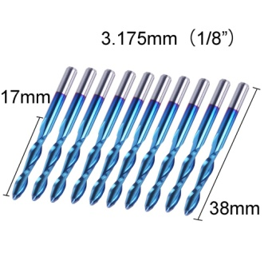

 |  |  |  |  |  |  |  |  | Fusion 360 Setup |  |  |  |  |  |  |  |  |  |  |  |  |  |  |  |  |  |  |  |  | Vcarve Setup
Pack Description | Website Ref | Pack Qty | Same Varied | Bit Material | SKU | Coating | Individual Description | Product ID | Type | Clockwise | Number of Flutes | Material | Dia | Shaft Dia | OA Length | Length below Holder | Shoulder length | Flute Length | Corner Radius | Taper Angle (One side) | Tip Length | Tip Dia | Tip Angle | Thread Pitch | Number of Teeth | Thread Profile Angle | Shaft Height | Shaft Upper Dia | Shaft Lower Dia | Group Name | Notes | Type | Diameter | Flutes | Tip Radius | Included Angle | Side Angle | Flat Diameter | Tooth Height | Tooth Size | Tooth Offset | Neck Length
Genmitsu 1/8" Router Bit 10-PCS Flat Nose Set SS17, 1 Flute, Nano Blue Coating | SS17 | 10 | Same | Tungsten Carbide Steel Alloy | 101-60-70SS17 | Nano Blue Coat | Flat Nose 1 Flute | SS17 | flat end mill | yes | 1 | Ti Coated | 3.175 | 3.175 | 38 | 20 | 18 | 17 |  |  |  |  |  |  |  |  |  |  |  | SainSmart [SS17] Flat Nose 1 Flute | SainSmart [SS17] Flat Nose 1 Flute Nano Blue Coat | End Mill | 3.175 | 1
 | Images
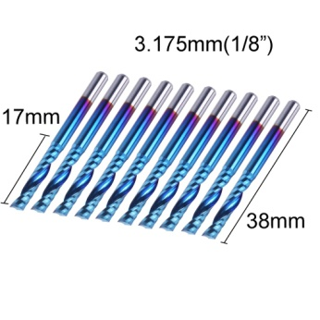

 |  |  |  |  |  |  |  |  | Fusion 360 Setup |  |  |  |  |  |  |  |  |  |  |  |  |  |  |  |  |  |  |  |  | Vcarve Setup
Pack Description | Website Ref | Pack Qty | Same Varied | Bit Material | SKU | Coating | Individual Description | Product ID | Type | Clockwise | Number of Flutes | Material | Dia | Shaft Dia | OA Length | Length below Holder | Shoulder length | Flute Length | Corner Radius | Taper Angle (One side) | Tip Length | Tip Dia | Tip Angle | Thread Pitch | Number of Teeth | Thread Profile Angle | Shaft Height | Shaft Upper Dia | Shaft Lower Dia | Group Name | Notes | Type | Diameter | Flutes | Tip Radius | Included Angle | Side Angle | Flat Diameter | Tooth Height | Tooth Size | Tooth Offset | Neck Length
Genmitsu 1/8" Router Bit 10-PCS Flat Nose Set SF17, 2 Flute, Nano Blue Coating | SF17 | 10 | Same | Tungsten Carbide Steel Alloy | 101-60-70SF17 | Nano Blue Coat | Flat Nose 2 Flute | SF17 | flat end mill | yes | 2 | Ti Coated | 3.175 | 3.175 | 38 | 22 | 22 | 16 |  |  |  |  |  |  |  |  |  |  |  | SainSmart [SF17] Flat Nose 2 Flute | SainSmart [SF17] Flat Nose 2 Flute Nano Blue Coat | End Mill | 3.175 | 2
 | Images
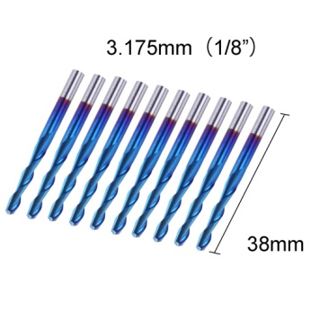

 |  |  |  |  |  |  |  |  | Fusion 360 Setup |  |  |  |  |  |  |  |  |  |  |  |  |  |  |  |  |  |  |  |  | Vcarve Setup
Pack Description | Website Ref | Pack Qty | Same Varied | Bit Material | SKU | Coating | Individual Description | Product ID | Type | Clockwise | Number of Flutes | Material | Dia | Shaft Dia | OA Length | Length below Holder | Shoulder length | Flute Length | Corner Radius | Taper Angle (One side) | Tip Length | Tip Dia | Tip Angle | Thread Pitch | Number of Teeth | Thread Profile Angle | Shaft Height | Shaft Upper Dia | Shaft Lower Dia | Group Name | Notes | Type | Diameter | Flutes | Tip Radius | Included Angle | Side Angle | Flat Diameter | Tooth Height | Tooth Size | Tooth Offset | Neck Length
Genmitsu Diamond Dresser Pen | DM-1350 | 1 | Single | Tungsten Carbide Steel Alloy | 101-60-DMB-01 |  | Diamond Dresser Pen 50Deg | DM-1350 | chamfer mill | yes | 1 |  | 3.175 | 3.175 | 50 | 32 | 2.5 | 0.75 |  | 25 |  | 0 |  |  |  |  |  |  |  | SainSmart [DM-1350] Diamond Dresser | SainSmart [DM-1350] Diamond Dresser Pen 50Deg | Diamond Drag | 3.175 |  |  | 50
 | Images
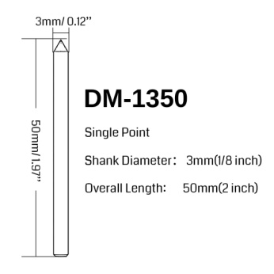

 |  |  |  |  |  |  |  |  | Fusion 360 Setup |  |  |  |  |  |  |  |  |  |  |  |  |  |  |  |  |  |  |  |  | Vcarve Setup
Pack Description | Website Ref | Pack Qty | Same Varied | Bit Material | SKU | Coating | Individual Description | Product ID | Type | Clockwise | Number of Flutes | Material | Dia | Shaft Dia | OA Length | Length below Holder | Shoulder length | Flute Length | Corner Radius | Taper Angle (One side) | Tip Length | Tip Dia | Tip Angle | Thread Pitch | Number of Teeth | Thread Profile Angle | Shaft Height | Shaft Upper Dia | Shaft Lower Dia | Group Name | Notes | Type | Diameter | Flutes | Tip Radius | Included Angle | Side Angle | Flat Diameter | Tooth Height | Tooth Size | Tooth Offset | Neck Length
Square End Mill, 1.0-6.0mm cut diameter, 4-Flute |  | N/A | Single | Tungsten Carbide Steel Alloy | 101-60-NBS-0(1-9) | Nano Blue Coat | Square 4 Flute | S-400010450 | flat end mill | yes | 4 | Ti Coated | 1 | 4 | 50 | 32 | 5 | 3 |  |  |  |  |  |  |  |  | 8 | 4 | 1 | SainSmart [101-60-NBS-0x] Square End 4 Flute | SainSmart [S-400010450] Square 4 Flute Nano Blue Coat | End Mill | 1 | 4
 | Images |  |  |  |  |  | Square 4 Flute | S-400015450 | flat end mill | yes | 4 | Ti Coated | 1.5 | 4 | 50 | 32 | 5.5 | 4 |  |  |  |  |  |  |  |  | 6 | 4 | 1.5 |  | SainSmart [S-400015450] Square 4 Flute Nano Blue Coat | End Mill | 1.5 | 4
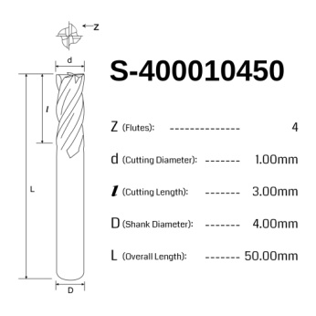
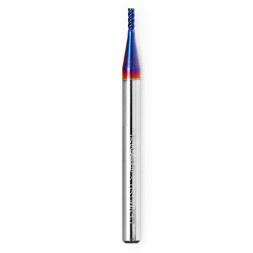
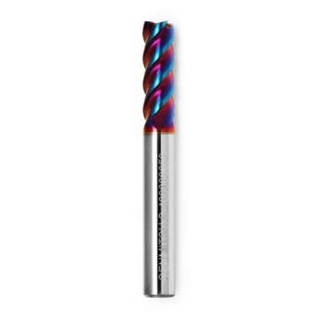
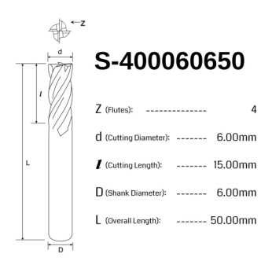
 |  |  |  |  |  |  | Square 4 Flute | S-400020450 | flat end mill | yes | 4 | Ti Coated | 2 | 4 | 50 | 32 | 6.5 | 5 |  |  |  |  |  |  |  |  | 6 | 4 | 2 |  | SainSmart [S-400020450] Square 4 Flute Nano Blue Coat | End Mill | 2 | 4
 |  |  |  |  |  |  | Square 4 Flute | S-400025450 | flat end mill | yes | 4 | Ti Coated | 2.5 | 4 | 50 | 32 | 8.25 | 6.25 |  |  |  |  |  |  |  |  | 5 | 4 | 2.5 |  | SainSmart [S-400025450] Square 4 Flute Nano Blue Coat | End Mill | 2.5 | 4
 |  |  |  |  |  |  | Square 4 Flute | S-400030450 | flat end mill | yes | 4 | Ti Coated | 3 | 4 | 50 | 32 | 9.5 | 7.5 |  |  |  |  |  |  |  |  | 3.5 | 4 | 3 |  | SainSmart [S-400030450] Square 4 Flute Nano Blue Coat | End Mill | 3 | 4
 |  |  |  |  |  |  | Square 4 Flute | S-400035450 | flat end mill | yes | 4 | Ti Coated | 3.5 | 4 | 50 | 32 | 12 | 10 |  |  |  |  |  |  |  |  | 3 | 4 | 3.5 |  | SainSmart [S-400035450] Square 4 Flute Nano Blue Coat | End Mill | 3.5 | 4
 |  |  |  |  |  |  | Square 4 Flute | S-400040450 | flat end mill | yes | 4 | Ti Coated | 4 | 4 | 50 | 32 | 12 | 10 |  |  |  |  |  |  |  |  |  |  |  |  | SainSmart [S-400040450] Square 4 Flute Nano Blue Coat | End Mill | 4 | 4
 |  |  |  |  |  |  | Square 4 Flute | S-400050650 | flat end mill | yes | 4 | Ti Coated | 5 | 6 | 50 | 32 | 15 | 12.5 |  |  |  |  |  |  |  |  | 3 | 6 | 5 |  | SainSmart [S-400050650] Square 4 Flute Nano Blue Coat | End Mill | 5 | 4
 |  |  |  |  |  |  | Square 4 Flute | S-400060650 | flat end mill | yes | 4 | Ti Coated | 6 | 6 | 50 | 32 | 16 | 15 |  |  |  |  |  |  |  |  |  |  |  |  | SainSmart [S-400060650] Square 4 Flute Nano Blue Coat | End Mill | 6 | 4

NOTE: The following bits are sold individually or in sets for a purpose. As this is just defining the bits the actual packs have been ignored |  |  |  |  |  |  |  |  | Fusion 360 Setup |  |  |  |  |  |  |  |  |  |  |  |  |  |  |  |  |  |  |  |  | Vcarve Setup
Pack Description | Website Ref | Pack Qty | Same Varied | Bit Material | SKU | Coating | Individual Description | Product ID | Type | Clockwise | Number of Flutes | Material | Dia | Shaft Dia | OA Length | Length below Holder | Shoulder length | Flute Length | Corner Radius | Taper Angle (One side) | Tip Length | Tip Dia | Tip Angle | Thread Pitch | Number of Teeth | Thread Profile Angle | Shaft Height | Shaft Upper Dia | Shaft Lower Dia | Group Name | Notes | Type | Diameter | Flutes | Tip Radius | Included Angle | Side Angle | Flat Diameter | Tooth Height | Tooth Size | Tooth Offset | Neck Length
Genmitsu CNC Ball Nose End Mill |  | N/A | Single | Tungsten Carbide Steel Alloy | 101-60-NBB-0(1-6) | Nano Blue Coat | Ball Nose 2 Flute | B-210020450 | ball end mill | yes | 2 | Ti Coated | 2 | 4 | 50 | 32 | 6 | 4 |  |  |  |  |  |  |  |  | 4.5 | 4 | 2 | SainSmart [101-60-NBB-0x] Ball Nose 2 Flute | SainSmart [B-210020450] Ball Nose 2 Flute Nano Blue Coat | Ball Nose | 2 | 2
 | Images |  |  |  |  |  | Ball Nose 2 Flute | B-212525450 | ball end mill | yes | 2 | Ti Coated | 2.5 | 4 | 50 | 32 | 7 | 5 |  |  |  |  |  |  |  |  | 4.5 | 4 | 2.5 |  | SainSmart [B-212525450] Ball Nose 2 Flute Nano Blue Coat | Ball Nose | 2.5 | 2
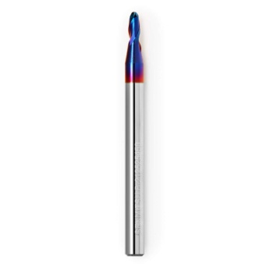
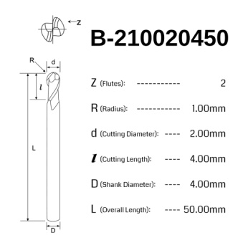
 |  |  |  |  |  |  | Ball Nose 2 Flute | B-215030450 | ball end mill | yes | 2 | Ti Coated | 3 | 4 | 50 | 32 | 8 | 6 |  |  |  |  |  |  |  |  | 3 | 4 | 3 |  | SainSmart [B-215030450] Ball Nose 2 Flute Nano Blue Coat | Ball Nose | 3 | 2
 |  |  |  |  |  |  | Ball Nose 2 Flute | B-217535450 | ball end mill | yes | 2 | Ti Coated | 3.5 | 4 | 50 | 32 | 9 | 7 |  |  |  |  |  |  |  |  | 3 | 4 | 3.5 |  | SainSmart [B-217535450] Ball Nose 2 Flute Nano Blue Coat | Ball Nose | 3.5 | 2
 |  |  |  |  |  |  | Ball Nose 2 Flute | B-220040450 | ball end mill | yes | 2 | Ti Coated | 4 | 4 | 50 | 32 | 12 | 8 |  |  |  |  |  |  |  |  |  |  |  |  | SainSmart [B-220040450] Ball Nose 2 Flute Nano Blue Coat | Ball Nose | 4 | 2
 |  |  |  |  |  |  | Ball Nose 2 Flute | B-225050650 | ball end mill | yes | 2 | Ti Coated | 5 | 6 | 50 | 32 | 15 | 10 |  |  |  |  |  |  |  |  | 4 | 6 | 5 |  | SainSmart [B-225050650] Ball Nose 2 Flute Nano Blue Coat | Ball Nose | 5 | 2
 |  |  |  |  |  |  | Ball Nose 2 Flute | B-230060650 | ball end mill | yes | 2 | Ti Coated | 6 | 6 | 50 | 32 | 16 | 10 |  |  |  |  |  |  |  |  |  |  |  |  | SainSmart [B-230060650] Ball Nose 2 Flute Nano Blue Coat | Ball Nose | 6 | 2

 |  |  |  |  |  |  |  |  | Fusion 360 Setup |  |  |  |  |  |  |  |  |  |  |  |  |  |  |  |  |  |  |  |  | Vcarve Setup
Pack Description | Website Ref | Pack Qty | Same Varied | Bit Material | SKU | Coating | Individual Description | Product ID | Type | Clockwise | Number of Flutes | Material | Dia | Shaft Dia | OA Length | Length below Holder | Shoulder length | Flute Length | Corner Radius | Taper Angle (One side) | Tip Length | Tip Dia | Tip Angle | Thread Pitch | Number of Teeth | Thread Profile Angle | Shaft Height | Shaft Upper Dia | Shaft Lower Dia | Group Name | Notes | Type | Diameter | Flutes | Tip Radius | Included Angle | Side Angle | Flat Diameter | Tooth Height | Tooth Size | Tooth Offset | Neck Length
Genmitsu CNC Long Neck Ball Nose End Mill |  |  | Single | Tungsten Carbide Steel Alloy | 101-60-NBLB-0(1-5) | Nano Blue Coat | Long neck Ball Nose 2 Flute | LB-205010450 | ball end mill | yes | 2 | Ti Coated | 1 | 4 | 50 | 32 | 4 | 3 |  |  |  |  |  |  |  |  | 8 | 4 | 1 | SainSmart [101-60-NBLB-0x] Long Neck Ball Nose 2 Flute | SainSmart [LB-205010450] Long neck Ball Nose 2 Flute Nano Blue Coat | Ball Nose | 1 | 2
 | Images |  |  |  |  |  | Long neck Ball Nose 2 Flute | LB-207515450 | ball end mill | yes | 2 | Ti Coated | 1.5 | 4 | 50 | 32 | 6 | 5 |  |  |  |  |  |  |  |  | 5 | 4 | 1.5 |  | SainSmart [LB-207515450] Long neck Ball Nose 2 Flute Nano Blue Coat | Ball Nose | 1.5 | 2
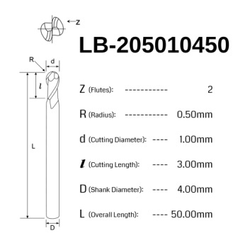
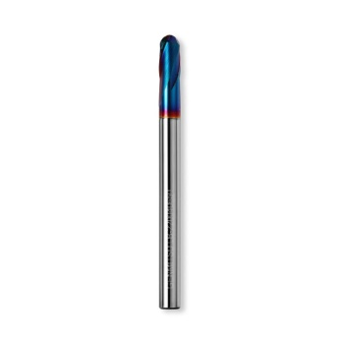
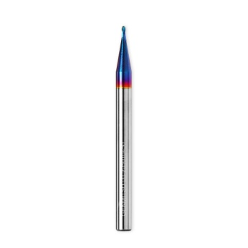
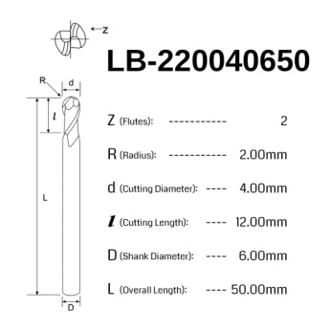
 |  |  |  |  |  |  | Long neck Ball Nose 2 Flute | LB-210020450 | ball end mill | yes | 2 | Ti Coated | 2 | 4 | 50 | 32 | 7.5 | 6 |  |  |  |  |  |  |  |  | 6.5 | 4 | 2 |  | SainSmart [LB-210020450] Long neck Ball Nose 2 Flute Nano Blue Coat | Ball Nose | 2 | 2
 |  |  |  |  |  |  | Long neck Ball Nose 2 Flute | LB-215030450 | ball end mill | yes | 2 | Ti Coated | 3 | 4 | 50 | 32 | 10 | 9 |  |  |  |  |  |  |  |  | 5 | 4 | 3 |  | SainSmart [LB-215030450] Long neck Ball Nose 2 Flute Nano Blue Coat | Ball Nose | 3 | 2
 |  |  |  |  |  |  | Long neck Ball Nose 2 Flute | LB-220040650 | ball end mill | yes | 2 | Ti Coated | 4 | 4 | 50 | 32 | 10.5 | 9 |  |  |  |  |  |  |  |  |  |  |  |  | SainSmart [LB-220040650] Long neck Ball Nose 2 Flute Nano Blue Coat | Ball Nose | 4 | 2

 |  |  |  |  |  |  |  |  | Fusion 360 Setup |  |  |  |  |  |  |  |  |  |  |  |  |  |  |  |  |  |  |  |  | Vcarve Setup
Pack Description | Website Ref | Pack Qty | Same Varied | Bit Material | SKU | Coating | Individual Description | Product ID | Type | Clockwise | Number of Flutes | Material | Dia | Shaft Dia | OA Length | Length below Holder | Shoulder length | Flute Length | Corner Radius | Taper Angle (One side) | Tip Length | Tip Dia | Tip Angle | Thread Pitch | Number of Teeth | Thread Profile Angle | Shaft Height | Shaft Upper Dia | Shaft Lower Dia | Group Name | Notes | Type | Diameter | Flutes | Tip Radius | Included Angle | Side Angle | Flat Diameter | Tooth Height | Tooth Size | Tooth Offset | Neck Length
Genmitsu CNC Corner Radius End Mill |  |  | Single | Tungsten Carbide Steel Alloy | 101-60-NBR-0(1-5) | Nano Blue Coat | Corner Radius 4 Flute | R-405030450 | bull nose end mill | yes | 4 | Ti Coated | 3 | 4 | 50 | 32 | 9 | 7.5 | 0.5 |  |  |  |  |  |  |  | 4 | 4 | 3 | SainSmart [101-60-NBR-0x] Corner Radius 4 Flute | SainSmart [R-405030450] Corner Radius 4 Flute Nano Blue Coat | Radiused End Mill | 3 | 4 | 0.5
 | Images |  |  |  |  |  | Corner Radius 4 Flute | R-405040450 | bull nose end mill | yes | 4 | Ti Coated | 4 | 4 | 50 | 32 | 11 | 9 | 0.5 |  |  |  |  |  |  |  |  |  |  |  | SainSmart [R-405040450] Corner Radius 4 Flute Nano Blue Coat | Radiused End Mill | 4 | 4 | 0.5
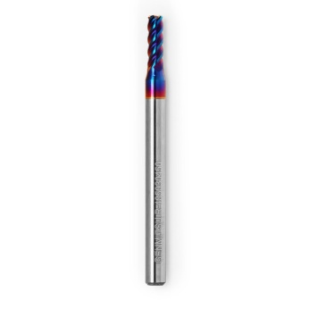
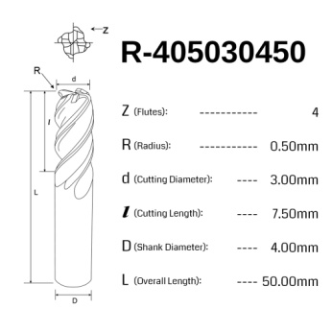
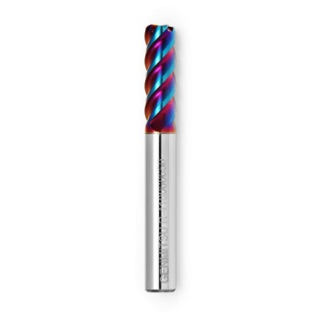
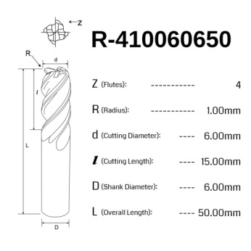
 |  |  |  |  |  |  | Corner Radius 4 Flute | R-410040450 | bull nose end mill | yes | 4 | Ti Coated | 4 | 4 | 50 | 32 | 13 | 10 | 1 |  |  |  |  |  |  |  |  |  |  |  | SainSmart [R-410040450] Corner Radius 4 Flute Nano Blue Coat | Radiused End Mill | 4 | 4 | 1
 |  |  |  |  |  |  | Corner Radius 4 Flute | R-405060650 | bull nose end mill | yes | 4 | Ti Coated | 6 | 6 | 50 | 32 | 18 | 15 | 0.5 |  |  |  |  |  |  |  |  |  |  |  | SainSmart [R-405060650] Corner Radius 4 Flute Nano Blue Coat | Radiused End Mill | 6 | 4 | 0.5
 |  |  |  |  |  |  | Corner Radius 4 Flute | R-410060650 | bull nose end mill | yes | 4 | Ti Coated | 6 | 6 | 50 | 32 | 18 | 15 | 1 |  |  |  |  |  |  |  |  |  |  |  | SainSmart [R-410060650] Corner Radius 4 Flute Nano Blue Coat | Radiused End Mill | 6 | 4 | 1

 |  |  |  |  |  |  |  |  | Fusion 360 Setup |  |  |  |  |  |  |  |  |  |  |  |  |  |  |  |  |  |  |  |  | Vcarve Setup
Pack Description | Website Ref | Pack Qty | Same Varied | Bit Material | SKU | Coating | Individual Description | Product ID | Type | Clockwise | Number of Flutes | Material | Dia | Shaft Dia | OA Length | Length below Holder | Shoulder length | Flute Length | Corner Radius | Taper Angle (One side) | Tip Length | Tip Dia | Tip Angle | Thread Pitch | Number of Teeth | Thread Profile Angle | Shaft Height | Shaft Upper Dia | Shaft Lower Dia | Group Name | Notes | Type | Diameter | Flutes | Tip Radius | Included Angle | Side Angle | Flat Diameter | Tooth Height | Tooth Size | Tooth Offset | Neck Length
Genmitsu 6mm Shank 5-PCS 60° 90° 120° 150°V Groove Router Bits Set, VG05-W01 | VG05A | 5 | Varied | Tungsten Carbide Steel Alloy | 101-60B-010 |  | V Grove Router bit 60Deg 16mm Dia | VG05A | tapered mill/Bull Nose | yes | 2 | HSS | 0.1 | 6 | 49 | 31 | 14 | 14 | 0 | 30 |  |  |  |  |  |  | 0.1 / 3 | 6 / 16 | 16 | SainSmart [VG05A] V Groove Set | SainSmart [VG05A] V Grove Router bit 60Deg 16mm Dia | V-Bit | 16 | 2 |  | 60
 | Images |  |  |  |  |  | V Grove Router bit 90Deg 22mm Dia | VG05A | tapered mill/Bull Nose | yes | 2 | HSS | 0.1 | 6 | 46 | 28 | 11 | 11 | 0 | 45 |  |  |  |  |  |  | 0.1 / 3 | 6 / 22 | 22 |  | SainSmart [VG05A] V Grove Router bit 90Deg 22mm Dia | V-Bit | 22 | 2 |  | 90
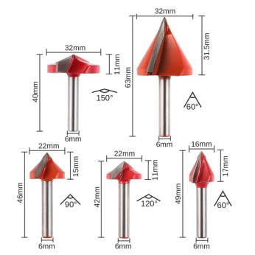
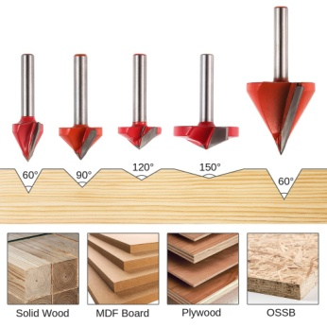
 |  |  |  |  |  |  | V Grove Router bit 120Deg 22mm Dia | VG05A | tapered mill/Bull Nose | yes | 2 | HSS | 0.1 | 6 | 42 | 24 | 6.4 | 6.4 | 0 | 60 |  |  |  |  |  |  | 0.1 / 3 | 6 / 22 | 22 |  | SainSmart [VG05A] V Grove Router bit 120Deg 22mm Dia | V-Bit | 22 | 2 |  | 120
 |  |  |  |  |  |  | V Grove Router bit 60Deg 32mm Dia | VG05A | tapered mill/Bull Nose | yes | 2 | HSS | 0.1 | 6 | 63 | 45 | 28 | 28 | 0 | 30 |  |  |  |  |  |  | 0.1 / 3 | 6 / 32 | 32 |  | SainSmart [VG05A] V Grove Router bit 60Deg 32mm Dia | V-Bit | 32 | 2 |  | 60
 |  |  |  |  |  |  | V Grove Router bit 150Deg 32mm Dia | VG05A | tapered mill/Bull Nose | yes | 2 | HSS | 0.1 | 6 | 40 | 22 | 4.15 | 4.15 | 0 | 75 |  |  |  |  |  |  | 0.1 / 2 | 6 / 32 | 32 |  | SainSmart [VG05A] V Grove Router bit 150Deg 32mm Dia | V-Bit | 32 | 2 |  | 150

 |  |  |  |  |  |  |  |  | Fusion 360 Setup |  |  |  |  |  |  |  |  |  |  |  |  |  |  |  |  |  |  |  |  | Vcarve Setup
Pack Description | Website Ref | Pack Qty | Same Varied | Bit Material | SKU | Coating | Individual Description | Product ID | Type | Clockwise | Number of Flutes | Material | Dia | Shaft Dia | OA Length | Length below Holder | Shoulder length | Flute Length | Corner Radius | Taper Angle (One side) | Tip Length | Tip Dia | Tip Angle | Thread Pitch | Number of Teeth | Thread Profile Angle | Shaft Height | Shaft Upper Dia | Shaft Lower Dia | Group Name | Notes | Type | Diameter | Flutes | Tip Radius | Included Angle | Side Angle | Flat Diameter | Tooth Height | Tooth Size | Tooth Offset | Neck Length
Genmitsu 1/8" Shank 6-PCS Spiral Down Cut 2 Flute Carbide Milling Cutter Set, SD06A | SD06A | 6 | Varied | Tungsten Carbide Steel Alloy | 101-60B-006 | Nano Blue Coat | Downcut Sq 2 Flute 8mm DOC | N2LXD3.08 | flat end mill | yes | 2 | Ti Coated | 3175 | 3175 | 40 | 22 | 14 | 8 |  |  |  |  |  |  |  |  |  |  |  | SainSmart [SD06A] Spiral Down Cut Set | SainSmart [N2LXD3.08] Downcut Sq 2 Flute 8mm DOC Nano Blue Coat | End Mill | 3175 | 2
 | Images |  |  |  |  |  | Downcut Sq 2 Flute 10mm DOC | N2LXD3.10 | flat end mill | yes | 2 | Ti Coated | 3175 | 3175 | 40 | 22 | 17 | 10 |  |  |  |  |  |  |  |  |  |  |  |  | SainSmart [N2LXD3.10] Downcut Sq 2 Flute 10mm DOC Nano Blue Coat | End Mill | 3175 | 2
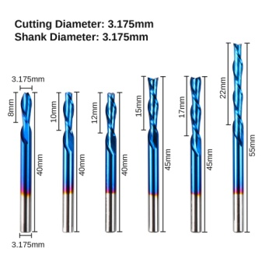
 |  |  |  |  |  |  | Downcut Sq 2 Flute 12mm DOC | N2LXD3.12 | flat end mill | yes | 2 | Ti Coated | 3175 | 3175 | 40 | 22 | 18 | 12 |  |  |  |  |  |  |  |  |  |  |  |  | SainSmart [N2LXD3.12] Downcut Sq 2 Flute 12mm DOC Nano Blue Coat | End Mill | 3175 | 2
 |  |  |  |  |  |  | Downcut Sq 2 Flute 15mm DOC | N2LXD3.15 | flat end mill | yes | 2 | Ti Coated | 3175 | 3175 | 45 | 27 | 22 | 15 |  |  |  |  |  |  |  |  |  |  |  |  | SainSmart [N2LXD3.15] Downcut Sq 2 Flute 15mm DOC Nano Blue Coat | End Mill | 3175 | 2
 |  |  |  |  |  |  | Downcut Sq 2 Flute 17mm DOC | N2LXD3.17 | flat end mill | yes | 2 | Ti Coated | 3175 | 3175 | 45 | 27 | 21 | 17 |  |  |  |  |  |  |  |  |  |  |  |  | SainSmart [N2LXD3.17] Downcut Sq 2 Flute 17mm DOC Nano Blue Coat | End Mill | 3175 | 2
 |  |  |  |  |  |  | Downcut Sq 2 Flute 22mm DOC | N2LXD3.22 | flat end mill | yes | 2 | Ti Coated | 3175 | 3175 | 55 | 37 | 29 | 22 |  |  |  |  |  |  |  |  |  |  |  |  | SainSmart [N2LXD3.22] Downcut Sq 2 Flute 22mm DOC Nano Blue Coat | End Mill | 3175 | 2

 |  |  |  |  |  |  |  |  | Fusion 360 Setup |  |  |  |  |  |  |  |  |  |  |  |  |  |  |  |  |  |  |  |  | Vcarve Setup
Pack Description | Website Ref | Pack Qty | Same Varied | Bit Material | SKU | Coating | Individual Description | Product ID | Type | Clockwise | Number of Flutes | Material | Dia | Shaft Dia | OA Length | Length below Holder | Shoulder length | Flute Length | Corner Radius | Taper Angle (One side) | Tip Length | Tip Dia | Tip Angle | Thread Pitch | Number of Teeth | Thread Profile Angle | Shaft Height | Shaft Upper Dia | Shaft Lower Dia | Group Name | Notes | Type | Diameter | Flutes | Tip Radius | Included Angle | Side Angle | Flat Diameter | Tooth Height | Tooth Size | Tooth Offset | Neck Length
Genmitsu 1/8" Shank 10-PCS Micro-Cutting Diameter End Mills Set, EM10A | EM10A | 10 | Varied | Tungsten Carbide Steel Alloy | 101-60B-003 | Nano Blue Coat | V Engraving Bit 30Deg 0.1mm Tip | EM10A | chamfer mill | yes | 1 | Ti Coated | 3.175 | 3.175 | 38 | 20 | 17 | 5 |  | 15 |  | 0.1 |  |  |  |  |  |  |  | SainSmart [EM10A] Micro Cutting Set | SainSmart [EM10A] V Engraving Bit 30Deg 0.1mm Tip Nano Blue Coat | Engraving | 3.175 | 1 |  |  | 15 | 0.1
 | Images |  |  |  |  |  | V Engraving Bit 30Deg 0.2mm Tip | EM10A | chamfer mill | yes | 1 | Ti Coated | 3.175 | 3.175 | 38 | 20 | 17 | 5 |  | 15 |  | 0.2 |  |  |  |  |  |  |  |  | SainSmart [EM10A] V Engraving Bit 30Deg 0.2mm Tip Nano Blue Coat | Engraving | 3.175 | 1 |  |  | 15 | 0.2
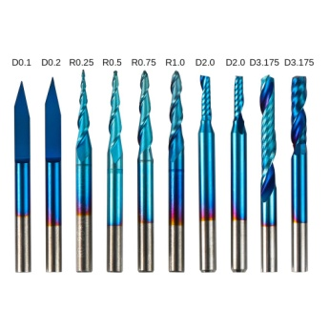
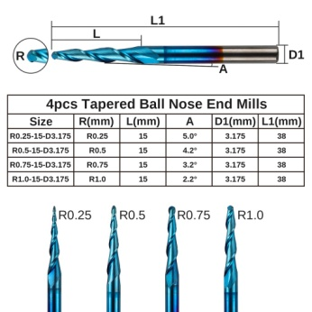
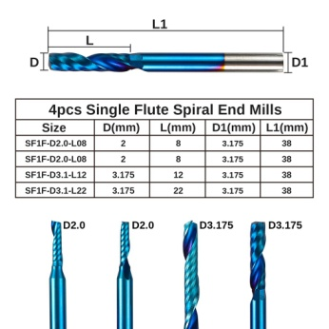
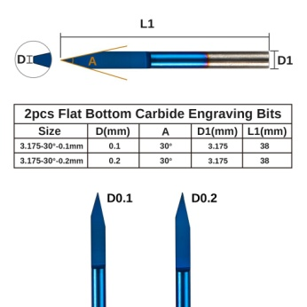
 |  |  |  |  |  |  | Tapered Ballnose 2 Flute | EM10A | tapered mill/Ball | yes | 2 | Ti Coated | 0.25 | 3.175 | 38 | 20 | 17 | 15 | 0.125 | 5 |  |  |  |  |  |  |  |  |  |  | SainSmart [EM10A] Tapered Ballnose 2 Flute Nano Blue Coat | Tapered Ball Nose | 3.175 | 2 | 0.125 |  | 5
 |  |  |  |  |  |  | Tapered Ballnose 2 Flute | EM10A | tapered mill/Ball | yes | 2 | Ti Coated | 0.5 | 3.175 | 38 | 20 | 18 | 15 | 0.25 | 4.2 |  |  |  |  |  |  |  |  |  |  | SainSmart [EM10A] Tapered Ballnose 2 Flute Nano Blue Coat | Tapered Ball Nose | 3.175 | 2 | 0.25 |  | 4.2
 |  |  |  |  |  |  | Tapered Ballnose 2 Flute | EM10A | tapered mill/Ball | yes | 2 | Ti Coated | 0.75 | 3.175 | 38 | 20 | 17 | 15 | 0.375 | 3.9 |  |  |  |  |  |  |  |  |  |  | SainSmart [EM10A] Tapered Ballnose 2 Flute Nano Blue Coat | Tapered Ball Nose | 3.175 | 2 | 0.375 |  | 3.9
 |  |  |  |  |  |  | Tapered Ballnose 2 Flute | EM10A | tapered mill/Ball | yes | 2 | Ti Coated | 1 | 3.175 | 38 | 20 | 18 | 15 | 0.5 | 4.2 |  |  |  |  |  |  |  |  |  |  | SainSmart [EM10A] Tapered Ballnose 2 Flute Nano Blue Coat | Tapered Ball Nose | 3.175 | 2 | 0.5 |  | 4.2
 |  |  |  |  |  |  | Flat End 1 Flute 8mm DOC | EM10A | flat end mill | yes | 1 | Ti Coated | 2 | 3.175 | 38 | 20 | 9 | 8 |  |  |  |  |  |  |  |  | 3 | 3.175 | 2 |  | SainSmart [EM10A] Flat End 1 Flute 8mm DOC Nano Blue Coat | End Mill | 2 | 1
 |  |  |  |  |  |  | Flat End 1 Flute 8mm DOC | EM10A | flat end mill | yes | 1 | Ti Coated | 2 | 3.175 | 38 | 20 | 9 | 8 |  |  |  |  |  |  |  |  | 3 | 3.175 | 2 |  | SainSmart [EM10A] Flat End 1 Flute 8mm DOC Nano Blue Coat | End Mill | 2 | 1
 |  |  |  |  |  |  | Flat End 1 Flute 12mm DOC | EM10A | flat end mill | yes | 1 | Ti Coated | 3.175 | 3.175 | 38 | 20 | 13 | 12 |  |  |  |  |  |  |  |  |  |  |  |  | SainSmart [EM10A] Flat End 1 Flute 12mm DOC Nano Blue Coat | End Mill | 3.175 | 1
 |  |  |  |  |  |  | Flat End 1 Flute 22mm DOC | EM10A | flat end mill | yes | 1 | Ti Coated | 3.175 | 3.175 | 38 | 24 | 23 | 22 |  |  |  |  |  |  |  |  |  |  |  |  | SainSmart [EM10A] Flat End 1 Flute 22mm DOC Nano Blue Coat | End Mill | 3.175 | 1

NOTE: Included in the set above! |  |  |  |  |  |  |  |  | Fusion 360 Setup |  |  |  |  |  |  |  |  |  |  |  |  |  |  |  |  |  |  |  |  | Vcarve Setup
Pack Description | Website Ref | Pack Qty | Same Varied | Bit Material | SKU | Coating | Individual Description | Product ID | Type | Clockwise | Number of Flutes | Material | Dia | Shaft Dia | OA Length | Length below Holder | Shoulder length | Flute Length | Corner Radius | Taper Angle (One side) | Tip Length | Tip Dia | Tip Angle | Thread Pitch | Number of Teeth | Thread Profile Angle | Shaft Height | Shaft Upper Dia | Shaft Lower Dia | Group Name | Notes | Type | Diameter | Flutes | Tip Radius | Included Angle | Side Angle | Flat Diameter | Tooth Height | Tooth Size | Tooth Offset | Neck Length
Genmitsu 1/8" Shank 4-PCS 2-Flute Tapered Ball Nose End Mills Set, TB04A | TB04A | 4 | Same (Dia) | Tungsten Carbide Steel Alloy | 101-60B-004 | Nano Blue Coat | Tapered Ballnose 2 Flute | TB04A | tapered mill/Ball | yes | 2 | Ti Coated | 0.25 | 3.175 | 38 | 20 | 17 | 15 | 0.125 | 5 |  |  |  |  |  |  |  |  |  | SainSmart [TB04A] Tapered Ball Nose 2 Flute Set | SainSmart [TB04A] Tapered Ballnose 2 Flute Nano Blue Coat | Tapered Ball Nose | 3.175 | 2 | 0.125 |  | 5
 | Images |  |  |  |  |  | Tapered Ballnose 2 Flute | TB04A | tapered mill/Ball | yes | 2 | Ti Coated | 0.5 | 3.175 | 38 | 20 | 18 | 15 | 0.25 | 4.2 |  |  |  |  |  |  |  |  |  |  | SainSmart [TB04A] Tapered Ballnose 2 Flute Nano Blue Coat | Tapered Ball Nose | 3.175 | 2 | 0.25 |  | 4.2
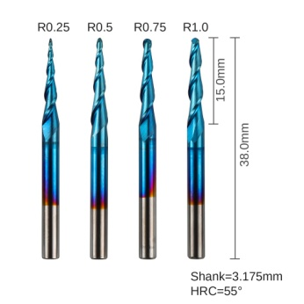
 |  |  |  |  |  |  | Tapered Ballnose 2 Flute | TB04A | tapered mill/Ball | yes | 2 | Ti Coated | 0.75 | 3.175 | 38 | 20 | 17 | 15 | 0.375 | 3.9 |  |  |  |  |  |  |  |  |  |  | SainSmart [TB04A] Tapered Ballnose 2 Flute Nano Blue Coat | Tapered Ball Nose | 3.175 | 2 | 0.375 |  | 3.9
 |  |  |  |  |  |  | Tapered Ballnose 2 Flute | TB04A | tapered mill/Ball | yes | 2 | Ti Coated | 1 | 3.175 | 38 | 20 | 18 | 15 | 0.5 | 3.4 |  |  |  |  |  |  |  |  |  |  | SainSmart [TB04A] Tapered Ballnose 2 Flute Nano Blue Coat | Tapered Ball Nose | 3.175 | 2 | 0.5 |  | 3.4

 |  |  |  |  |  |  |  |  | Fusion 360 Setup |  |  |  |  |  |  |  |  |  |  |  |  |  |  |  |  |  |  |  |  | Vcarve Setup
Pack Description | Website Ref | Pack Qty | Same Varied | Bit Material | SKU | Coating | Individual Description | Product ID | Type | Clockwise | Number of Flutes | Material | Dia | Shaft Dia | OA Length | Length below Holder | Shoulder length | Flute Length | Corner Radius | Taper Angle (One side) | Tip Length | Tip Dia | Tip Angle | Thread Pitch | Number of Teeth | Thread Profile Angle | Shaft Height | Shaft Upper Dia | Shaft Lower Dia | Group Name | Notes | Type | Diameter | Flutes | Tip Radius | Included Angle | Side Angle | Flat Diameter | Tooth Height | Tooth Size | Tooth Offset | Neck Length
Genmitsu 1/8" Shank 5-PCS 2-Flute Compression Spiral Bits Up-down Cut Set, SC05A | SC05A | 5 | Same (Dia) | Tungsten Carbide Steel Alloy | 101-60B-005 | Nano Blue Coat | Compression 2 Flute 12mm DOC | N2FLX3.12 | flat end mill | yes | 2 | Ti Coated | 3.175 | 3.175 | 40 | 22 | 18 | 12 |  |  |  |  |  |  |  |  |  |  |  | SainSmart [SC05A] Spiral Compression Set | SainSmart [N2FLX3.12] Compression 2 Flute 12mm DOC Nano Blue Coat | End Mill | 3.175 | 2
 | Images |  |  |  |  |  | Compression 2 Flute 15mm DOC | N2FLX3.15 | flat end mill | yes | 2 | Ti Coated | 3.175 | 3.175 | 40 | 22 | 22 | 15 |  |  |  |  |  |  |  |  |  |  |  |  | SainSmart [N2FLX3.15] Compression 2 Flute 15mm DOC Nano Blue Coat | End Mill | 3.175 | 2
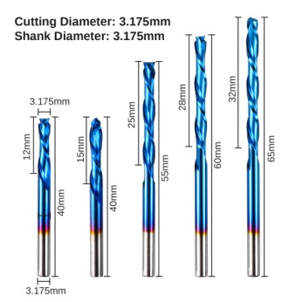
 |  |  |  |  |  |  | Compression 2 Flute 25mm DOC | N2FLX3.25 | flat end mill | yes | 2 | Ti Coated | 3.175 | 3.175 | 55 | 37 | 32 | 25 |  |  |  |  |  |  |  |  |  |  |  |  | SainSmart [N2FLX3.25] Compression 2 Flute 25mm DOC Nano Blue Coat | End Mill | 3.175 | 2
 |  |  |  |  |  |  | Compression 2 Flute 28mm DOC | N2FLX3.28 | flat end mill | yes | 2 | Ti Coated | 3.175 | 3.175 | 60 | 42 | 34 | 28 |  |  |  |  |  |  |  |  |  |  |  |  | SainSmart [N2FLX3.28] Compression 2 Flute 28mm DOC Nano Blue Coat | End Mill | 3.175 | 2
 |  |  |  |  |  |  | Compression 2 Flute 32mm DOC | N2FLX3.32 | flat end mill | yes | 2 | Ti Coated | 3.175 | 3.175 | 65 | 47 | 38 | 32 |  |  |  |  |  |  |  |  |  |  |  |  | SainSmart [N2FLX3.32] Compression 2 Flute 32mm DOC Nano Blue Coat | End Mill | 3.175 | 2


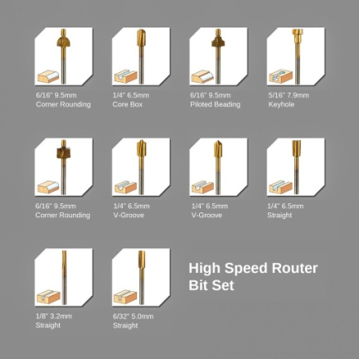


NOTE: Sold in the Genmitsu 1/8" Shank 40-PCS CNC Cutter Milling Carving Bit Set, MC40A |  |  |  |  |  |  |  |  | Fusion 360 Setup |  |  |  |  |  |  |  |  |  |  |  |  |  |  |  |  |  |  |  |  | Vcarve Setup
Pack Description | Website Ref | Pack Qty | Same Varied | Bit Material | SKU | Coating | Individual Description | Product ID | Type | Clockwise | Number of Flutes | Material | Dia | Shaft Dia | OA Length | Length below Holder | Shoulder length | Flute Length | Corner Radius | Taper Angle (One side) | Tip Length | Tip Dia | Tip Angle | Thread Pitch | Number of Teeth | Thread Profile Angle | Shaft Height | Shaft Upper Dia | Shaft Lower Dia | Group Name | Notes | Type | Diameter | Flutes | Tip Radius | Included Angle | Side Angle | Flat Diameter | Tooth Height | Tooth Size | Tooth Offset | Neck Length
Genmitsu 1/8" Shank 40-PCS CNC Cutter Milling Carving Bit Set, MC40A | MC40A | 10 | Varied | Tungsten Carbide Steel Alloy | 101-61S-MC40A | Titanium Coating | Router Bit 2 Flute | MC40A | flat end mill | yes | 2 | Ti Coated | 0.8 | 3.175 | 37 | 19 | 7 | 6 |  |  |  |  |  |  |  |  | 7 | 3.175 | 0.8 | SainSmart [MC40A] Cutter Milling Carving Set | SainSmart [MC40A] Router Bit 2 Flute Titanium Coating | End Mill | 0.8 | 2
 | Images |  |  |  |  |  | Router Bit 2 Flute | MC40A | flat end mill | yes | 2 | Ti Coated | 1 | 3.175 | 37 | 19 | 9 | 6 |  |  |  |  |  |  |  |  | 5 | 3.175 | 1 |  | SainSmart [MC40A] Router Bit 2 Flute Titanium Coating | End Mill | 1 | 2
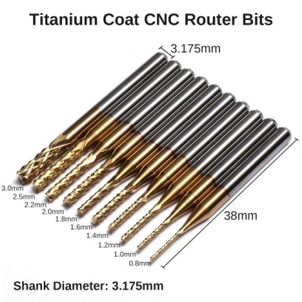
 |  |  |  |  |  |  | Router Bit 2 Flute | MC40A | flat end mill | yes | 2 | Ti Coated | 1.2 | 3.175 | 37 | 19 | 9 | 7 |  |  |  |  |  |  |  |  | 5 | 3.175 | 1.2 |  | SainSmart [MC40A] Router Bit 2 Flute Titanium Coating | End Mill | 1.2 | 2
 |  |  |  |  |  |  | Router Bit 2 Flute | MC40A | flat end mill | yes | 2 | Ti Coated | 1.4 | 3.175 | 37 | 19 | 9 | 8 |  |  |  |  |  |  |  |  | 5 | 3.175 | 1.4 |  | SainSmart [MC40A] Router Bit 2 Flute Titanium Coating | End Mill | 1.4 | 2
 |  |  |  |  |  |  | Router Bit 2 Flute | MC40A | flat end mill | yes | 2 | Ti Coated | 1.6 | 3.175 | 37 | 19 | 10 | 8 |  |  |  |  |  |  |  |  | 4 | 3.175 | 1.6 |  | SainSmart [MC40A] Router Bit 2 Flute Titanium Coating | End Mill | 1.6 | 2
 |  |  |  |  |  |  | Router Bit 2 Flute | MC40A | flat end mill | yes | 2 | Ti Coated | 1.8 | 3.175 | 37 | 19 | 10 | 8 |  |  |  |  |  |  |  |  | 4 | 3.175 | 1.8 |  | SainSmart [MC40A] Router Bit 2 Flute Titanium Coating | End Mill | 1.8 | 2
 |  |  |  |  |  |  | Router Bit 2 Flute | MC40A | flat end mill | yes | 2 | Ti Coated | 2 | 3.175 | 37 | 19 | 10 | 8 |  |  |  |  |  |  |  |  | 4 | 3.175 | 2 |  | SainSmart [MC40A] Router Bit 2 Flute Titanium Coating | End Mill | 2 | 2
 |  |  |  |  |  |  | Router Bit 2 Flute | MC40A | flat end mill | yes | 2 | Ti Coated | 2.2 | 3.175 | 37 | 19 | 10 | 8 |  |  |  |  |  |  |  |  | 4 | 3.175 | 2.2 |  | SainSmart [MC40A] Router Bit 2 Flute Titanium Coating | End Mill | 2.2 | 2
 |  |  |  |  |  |  | Router Bit 2 Flute | MC40A | flat end mill | yes | 2 | Ti Coated | 2.4 | 3.175 | 37 | 19 | 10 | 8 |  |  |  |  |  |  |  |  | 4 | 3.175 | 2.4 |  | SainSmart [MC40A] Router Bit 2 Flute Titanium Coating | End Mill | 2.4 | 2
 |  |  |  |  |  |  | Router Bit 2 Flute | MC40A | flat end mill | yes | 2 | Ti Coated | 3 | 3.175 | 37 | 19 | 12 | 10 |  |  |  |  |  |  |  |  | 2 | 3.175 | 3 |  | SainSmart [MC40A] Router Bit 2 Flute Titanium Coating | End Mill | 3 | 2
NOTE The MC40 Set also includes set C08
NOTE: Sold in the Genmitsu 1/8" Shank 40-PCS CNC Cutter Milling Carving Bit Set, MC40A |  |  |  |  |  |  |  |  | Fusion 360 Setup |  |  |  |  |  |  |  |  |  |  |  |  |  |  |  |  |  |  |  |  | Vcarve Setup
Pack Description | Website Ref | Pack Qty | Same Varied | Bit Material | SKU | Coating | Individual Description | Product ID | Type | Clockwise | Number of Flutes | Material | Dia | Shaft Dia | OA Length | Length below Holder | Shoulder length | Flute Length | Corner Radius | Taper Angle (One side) | Tip Length | Tip Dia | Tip Angle | Thread Pitch | Number of Teeth | Thread Profile Angle | Shaft Height | Shaft Upper Dia | Shaft Lower Dia | Group Name | Notes | Type | Diameter | Flutes | Tip Radius | Included Angle | Side Angle | Flat Diameter | Tooth Height | Tooth Size | Tooth Offset | Neck Length
Genmitsu 1/8" Shank 40-PCS CNC Cutter Milling Carving Bit Set, MC40A | MC40A | 10 | Same | Tungsten Carbide Steel Alloy | MC40A | None | Flat Nose 2 Flute | MC40A | flat end mill | yes | 2 | HSS | 3.175 | 3.175 | 38 | 22 | 22 | 17 |  |  |  |  |  |  |  |  |  |  |  | SainSmart [MC40A] Cutter Milling Carving Set | SainSmart [MC40A] Flat Nose 2 Flute None | End Mill | 3.175 | 2
 | Images
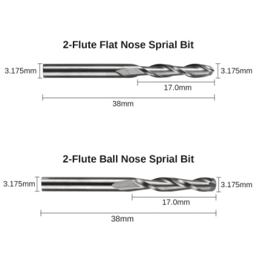

NOTE: Sold in the Genmitsu 1/8" Shank 40-PCS CNC Cutter Milling Carving Bit Set, MC40A |  |  |  |  |  |  |  |  | Fusion 360 Setup |  |  |  |  |  |  |  |  |  |  |  |  |  |  |  |  |  |  |  |  | Vcarve Setup
Pack Description | Website Ref | Pack Qty | Same Varied | Bit Material | SKU | Coating | Individual Description | Product ID | Type | Clockwise | Number of Flutes | Material | Dia | Shaft Dia | OA Length | Length below Holder | Shoulder length | Flute Length | Corner Radius | Taper Angle (One side) | Tip Length | Tip Dia | Tip Angle | Thread Pitch | Number of Teeth | Thread Profile Angle | Shaft Height | Shaft Upper Dia | Shaft Lower Dia | Group Name | Notes | Type | Diameter | Flutes | Tip Radius | Included Angle | Side Angle | Flat Diameter | Tooth Height | Tooth Size | Tooth Offset | Neck Length
Genmitsu 1/8" Shank 40-PCS CNC Cutter Milling Carving Bit Set, MC40A | MC40A | 10 | Same | Tungsten Carbide Steel Alloy | MC40A | None | Ball Nose 2 Flute | MC40A | ball end mill | yes | 2 | HSS | 3.175 | 3.175 | 38 | 22 | 22 | 17 |  |  |  |  |  |  |  |  |  |  |  | SainSmart [MC40A] Cutter Milling Carving Set | SainSmart [MC40A] Ball Nose 2 Flute None | Ball Nose | 3.175 | 2
 | Images

 |  |  |  |  |  |  |  |  | Fusion 360 Setup |  |  |  |  |  |  |  |  |  |  |  |  |  |  |  |  |  |  |  |  | Vcarve Setup
Pack Description | Website Ref | Pack Qty | Same Varied | Bit Material | SKU | Coating | Individual Description | Product ID | Type | Clockwise | Number of Flutes | Material | Dia | Shaft Dia | OA Length | Length below Holder | Shoulder length | Flute Length | Corner Radius | Taper Angle (One side) | Tip Length | Tip Dia | Tip Angle | Thread Pitch | Number of Teeth | Thread Profile Angle | Shaft Height | Shaft Upper Dia | Shaft Lower Dia | Group Name | Notes | Type | Diameter | Flutes | Tip Radius | Included Angle | Side Angle | Flat Diameter | Tooth Height | Tooth Size | Tooth Offset | Neck Length
Genmitsu 0.118”(3mm) Shank 20-PCS Carbide Burrs Set, RR20A | RR20A | 20 | Varied | Tungsten Carbide Steel Alloy | 101-61S-RR20A | Nano Blue Coat | Ball End Spiral Burr | RR20A | lollipop mill | yes | 10 | Ti Coated | 3 | 3 | 38 | 20 | 3 | 3 |  |  |  |  |  |  |  |  | 5 | 3 | 2.2 | SainSmart [RR20A] Carbide Burrs 3mm Set | SainSmart [RR20A] Ball End Spiral Burr Nano Blue Coat | Ball Nose | 3 | 10
 | Images |  |  |  |  |  | Ball Nose Spiral Burr 5mm DOC | RR20A | ball end mill | yes | 10 | Ti Coated | 3 | 3 | 38 | 20 | 5 | 5 |  |  |  |  |  |  |  |  | 5 | 3 | 2.25 |  | SainSmart [RR20A] Ball Nose Spiral Burr 5mm DOC Nano Blue Coat | Ball Nose | 3 | 10
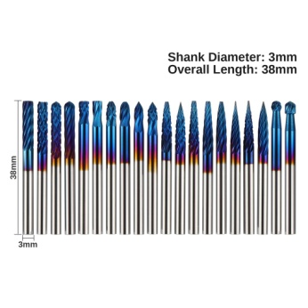
 |  |  |  |  |  |  | Ball Nose Spiral Burr 13mm DOC | RR20A | ball end mill | yes | 10 | Ti Coated | 3 | 3 | 38 | 20 | 16 | 13 |  |  |  |  |  |  |  |  |  |  |  |  | SainSmart [RR20A] Ball Nose Spiral Burr 13mm DOC Nano Blue Coat | Ball Nose | 3 | 10
 |  |  |  |  |  |  | Ball Nose Corncob Burr | RR20A | ball end mill | yes | 10 | Ti Coated | 3 | 3 | 38 | 20 | 16 | 13 |  |  |  |  |  |  |  |  |  |  |  |  | SainSmart [RR20A] Ball Nose Corncob Burr Nano Blue Coat | Ball Nose | 3 | 10
 |  |  |  |  |  |  | V Spiral Burr 20Deg 3mm | RR20A | tapered mill/Bull Nose | yes | 10 | Ti Coated | 0.01 | 3 | 38 | 20 | 4 | 4 | 0 | 10 |  |  |  |  |  |  |  |  |  |  | SainSmart [RR20A] V Spiral Burr 20Deg 3mm Nano Blue Coat | V-Bit | 0.01 | 10 |  | 20
 |  |  |  |  |  |  | V Corncob Burr 20Deg 3mm | RR20A | tapered mill/Bull Nose | yes | 10 | Ti Coated | 0.01 | 3 | 38 | 20 | 4 | 4 | 0 | 10 |  |  |  |  |  |  |  |  |  |  | SainSmart [RR20A] V Corncob Burr 20Deg 3mm Nano Blue Coat | V-Bit | 0.01 | 10 |  | 20
 |  |  |  |  |  |  | V Spiral Burr 20Deg 3mm 1mm Tip | RR20A | tapered mill/Bull Nose | yes | 10 | Ti Coated | 1 | 3 | 38 | 20 | 3 | 3 | 0 | 10 |  | 1 |  |  |  |  |  |  |  |  | SainSmart [RR20A] V Spiral Burr 20Deg 3mm 1mm Tip Nano Blue Coat | Engraving | 1 | 10 |  |  | 10 | 1
 |  |  |  |  |  |  | V Corncob Burr 20Deg 3mm 1mm Tip | RR20A | tapered mill/Bull Nose | yes | 10 | Ti Coated | 1 | 3 | 38 | 20 | 3 | 3 | 0 | 10 |  | 1 |  |  |  |  |  |  |  |  | SainSmart [RR20A] V Corncob Burr 20Deg 3mm 1mm Tip Nano Blue Coat | Engraving | 1 | 10 |  |  | 10 | 1
 |  |  |  |  |  |  | V Spiral Burr 30Deg 3mm | RR20A | tapered mill/Bull Nose | yes | 10 | Ti Coated | 0.01 | 3 | 38 | 20 | 5.8 | 5.8 | 0 | 15 |  |  |  |  |  |  |  |  |  |  | SainSmart [RR20A] V Spiral Burr 30Deg 3mm Nano Blue Coat | V-Bit | 0.01 | 10 |  | 30
 |  |  |  |  |  |  | V Corncob Burr 30Deg 3mm | RR20A | tapered mill/Bull Nose | yes | 10 | Ti Coated | 0.01 | 3 | 38 | 20 | 5.8 | 5.8 | 0 | 15 |  |  |  |  |  |  |  |  |  |  | SainSmart [RR20A] V Corncob Burr 30Deg 3mm Nano Blue Coat | V-Bit | 0.01 | 10 |  | 30
 |  |  |  |  |  |  | V Spiral Burr 15Deg 3mm | RR20A | tapered mill/Bull Nose | yes | 10 | Ti Coated | 0.01 | 3 | 38 | 20 | 11.5 | 11.5 | 0 | 7.5 |  |  |  |  |  |  |  |  |  |  | SainSmart [RR20A] V Spiral Burr 15Deg 3mm Nano Blue Coat | V-Bit | 0.01 | 10 |  | 15
 |  |  |  |  |  |  | V Corncob Burr 15Deg 3mm | RR20A | tapered mill/Bull Nose | yes | 10 | Ti Coated | 0.01 | 3 | 38 | 20 | 11.5 | 11.5 | 0 | 7.5 |  |  |  |  |  |  |  |  |  |  | SainSmart [RR20A] V Corncob Burr 15Deg 3mm Nano Blue Coat | V-Bit | 0.01 | 10 |  | 15
 |  |  |  |  |  |  | V Spiral Burr 15Deg 3mm 1mm Tip | RR20A | tapered mill/Bull Nose | yes | 10 | Ti Coated | 1 | 3 | 38 | 20 | 8 | 8 | 0 | 7.5 |  | 1 |  |  |  |  |  |  |  |  | SainSmart [RR20A] V Spiral Burr 15Deg 3mm 1mm Tip Nano Blue Coat | Engraving | 1 | 10 |  |  | 7.5 | 1
 |  |  |  |  |  |  | V Corncob Burr 15Deg 3mm 1mm Tip | RR20A | tapered mill/Bull Nose | yes | 10 | Ti Coated | 1 | 3 | 38 | 20 | 8 | 8 | 0 | 7.5 |  | 1 |  |  |  |  |  |  |  |  | SainSmart [RR20A] V Corncob Burr 15Deg 3mm 1mm Tip Nano Blue Coat | Engraving | 1 | 10 |  |  | 7.5 | 1
 |  |  |  |  |  |  | V Spiral Burr 10Deg 3mm 1.5mm Tip | RR20A | tapered mill/Bull Nose | yes | 10 | Ti Coated | 1.5 | 3 | 38 | 20 | 9 | 9 | 0 | 5 |  | 1.5 |  |  |  |  |  |  |  |  | SainSmart [RR20A] V Spiral Burr 10Deg 3mm 1.5mm Tip Nano Blue Coat | Engraving | 1.5 | 10 |  |  | 5 | 1.5
 |  |  |  |  |  |  | V Corncob Burr 10Deg 3mm 1.5mm Tip | RR20A | tapered mill/Bull Nose | yes | 10 | Ti Coated | 1.5 | 3 | 38 | 20 | 9 | 9 | 0 | 5 |  | 1.5 |  |  |  |  |  |  |  |  | SainSmart [RR20A] V Corncob Burr 10Deg 3mm 1.5mm Tip Nano Blue Coat | Engraving | 1.5 | 10 |  |  | 5 | 1.5
 |  |  |  |  |  |  | Spiral Dovetail Burr 5Deg | RR20A | dovetail mill | yes | 10 | Ti Coated | 3 | 3 | 38 | 20 | 4 | 4 | 0 | 2.5 |  |  |  |  |  |  | 3 | 3 | 2.55 |  | SainSmart [RR20A] Spiral Dovetail Burr 5Deg Nano Blue Coat | Form Tool
 |  |  |  |  |  |  | Corncob Dovetail Burr 5Deg | RR20A | dovetail mill | yes | 10 | Ti Coated | 3 | 3 | 38 | 20 | 4 | 4 | 0 | 2.5 |  |  |  |  |  |  | 3 | 3 | 2.55 |  | SainSmart [RR20A] Corncob Dovetail Burr 5Deg Nano Blue Coat | Form Tool
 |  |  |  |  |  |  | Flat End Spiral Burr | RR20A | flat end mill | yes | 10 | Ti Coated | 3 | 3 | 38 | 20 | 14 | 12 |  |  |  |  |  |  |  |  |  |  |  |  | SainSmart [RR20A] Flat End Spiral Burr Nano Blue Coat | End Mill | 3 | 10
 |  |  |  |  |  |  | Flat End Corncob Burr | RR20A | flat end mill | yes | 10 | Ti Coated | 3 | 3 | 38 | 20 | 14 | 12 |  |  |  |  |  |  |  |  |  |  |  |  | SainSmart [RR20A] Flat End Corncob Burr Nano Blue Coat | End Mill | 3 | 10

 |  |  |  |  |  |  |  |  | Fusion 360 Setup |  |  |  |  |  |  |  |  |  |  |  |  |  |  |  |  |  |  |  |  | Vcarve Setup
Pack Description | Website Ref | Pack Qty | Same Varied | Bit Material | SKU | Coating | Individual Description | Product ID | Type | Clockwise | Number of Flutes | Material | Dia | Shaft Dia | OA Length | Length below Holder | Shoulder length | Flute Length | Corner Radius | Taper Angle (One side) | Tip Length | Tip Dia | Tip Angle | Thread Pitch | Number of Teeth | Thread Profile Angle | Shaft Height | Shaft Upper Dia | Shaft Lower Dia | Group Name | Notes | Type | Diameter | Flutes | Tip Radius | Included Angle | Side Angle | Flat Diameter | Tooth Height | Tooth Size | Tooth Offset | Neck Length
Genmitsu 1/8" Shank, 1/4" Head 10-PCS Nano Blue Coat Tungsten Carbide Steel Alloy Rotary Burrs Set, RR10B | RR10B | 10 | Varied | Tungsten Carbide Steel Alloy | 101-60B-007 | Nano Blue Coat | Ball Nose Burr | RR10B | lollipop mill | yes | 14 | Ti Coated | 6.35 | 3 | 43.5 | 25.5 | 5 | 5 |  |  |  |  |  |  |  |  | .1/1.5 | 3/3.75 | 3.75 | SainSmart [RR10B] Carbide Burrs 6.35mm Set | SainSmart [RR10B] Ball Nose Burr Nano Blue Coat | Ball Nose | 6.35 | 14
 | Images |  |  |  |  |  | Dovetail Burr | RR10B | dovetail mill | yes | 14 | Ti Coated | 6.35 | 3 | 45.5 | 25.5 | 8 | 8 | 0.001 | 5 |  |  |  |  |  |  | .1/1.5 | 3/3.75 | 3.75 |  | SainSmart [RR10B] Dovetail Burr Nano Blue Coat | Form Tool
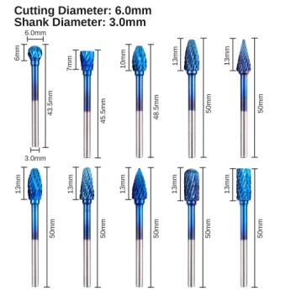
 |  |  |  |  |  |  | Handheld Flat End Pear Burr | RR10B | form mill | yes | 14 | Ti Coated | 6.35 | 3 | 48.5 |  |  | 10 |  |  |  |  |  |  |  |  |  |  |  |  | SainSmart [RR10B] Handheld Flat End Pear Burr Nano Blue Coat | Form Tool
 |  |  |  |  |  |  | Tapered Ballnose Burr 6mm Dia | RR10B | tapered mill/Ball | yes | 14 | Ti Coated | 3 | 3 | 50 | 32 | 13.5 | 13.5 | 1.5 | 9 |  |  |  |  |  |  |  |  |  |  | SainSmart [RR10B] Tapered Ballnose Burr 6mm Dia Nano Blue Coat | Tapered Ball Nose | 6.35 | 14 | 1.5 |  | 9
 |  |  |  |  |  |  | V Tapered Burr 20 Deg 6mm Dia | RR10B | tapered mill/Bull Nose | yes | 14 | Ti Coated | 0.75 | 3 | 50 | 32 | 14 | 14 | 0 | 10 |  | 0.75 |  |  |  |  |  |  |  |  | SainSmart [RR10B] V Tapered Burr 20 Deg 6mm Dia Nano Blue Coat | V-Bit | 0.75 | 14 |  | 20
 |  |  |  |  |  |  | Handheld Pear Burr | RR10B | form mill | yes | 14 | Ti Coated | 6.35 | 3 | 50 |  |  | 13 |  |  |  |  |  |  |  |  |  |  |  |  | SainSmart [RR10B] Handheld Pear Burr Nano Blue Coat | Form Tool
 |  |  |  |  |  |  | Ball Nose Tapered Burr | RR10B | form mill | yes | 14 | Ti Coated | 6.35 | 3 | 50 | 32 | 13 | 13 |  |  |  |  |  |  |  |  |  |  |  |  | SainSmart [RR10B] Ball Nose Tapered Burr Nano Blue Coat | Form Tool
 |  |  |  |  |  |  | Handheld Round End Pear Burr | RR10B | form mill | yes | 14 | Ti Coated | 6.35 | 3 | 50 |  |  | 13 |  |  |  |  |  |  |  |  |  |  |  |  | SainSmart [RR10B] Handheld Round End Pear Burr Nano Blue Coat | Form Tool
 |  |  |  |  |  |  | Ball end Burr | RR10B | ball end mill | yes | 14 | Ti Coated | 6.35 | 3 | 50 | 32 | 14 | 14 |  |  |  |  |  |  |  |  |  |  |  |  | SainSmart [RR10B] Ball end Burr Nano Blue Coat | Ball Nose | 6.35 | 14
 |  |  |  |  |  |  | Straight Burr | RR10B | flat end mill | yes | 14 | Ti Coated | 6.35 | 3 | 50 | 32 | 14 | 14 |  |  |  |  |  |  |  |  |  |  |  |  | SainSmart [RR10B] Straight Burr Nano Blue Coat | End Mill | 6.35 | 14

 |  |  |  |  |  |  |  |  | Fusion 360 Setup |  |  |  |  |  |  |  |  |  |  |  |  |  |  |  |  |  |  |  |  | Vcarve Setup
Pack Description | Website Ref | Pack Qty | Same Varied | Bit Material | SKU | Coating | Individual Description | Product ID | Type | Clockwise | Number of Flutes | Material | Dia | Shaft Dia | OA Length | Length below Holder | Shoulder length | Flute Length | Corner Radius | Taper Angle (One side) | Tip Length | Tip Dia | Tip Angle | Thread Pitch | Number of Teeth | Thread Profile Angle | Shaft Height | Shaft Upper Dia | Shaft Lower Dia | Group Name | Notes | Type | Diameter | Flutes | Tip Radius | Included Angle | Side Angle | Flat Diameter | Tooth Height | Tooth Size | Tooth Offset | Neck Length
Genmitsu 1/8" Shank 10-PCS High Speed Steel Milling Cutter Set, RB10A | RB10A | 10 | Varied | HSS | 101-61S-RB10A | Titanium Coating | Piloted Beading - Handheld | RB10A | form mill | yes | 2 | Ti Coated | 9.5 | 3.175 | 40 | 22 |  |  |  |  |  |  |  |  |  |  |  |  |  | SainSmart [RB10A] Milling Cutter Set | SainSmart [RB10A] Piloted Beading - Handheld Titanium Coating | Form Tool
 | Images |  |  |  |  |  | Piloted Corner Rounding - Handheld | RB10A | form mill | yes | 2 | Ti Coated | 9.5 | 3.175 | 40 | 22 |  |  |  |  |  |  |  |  |  |  |  |  |  |  | SainSmart [RB10A] Piloted Corner Rounding - Handheld Titanium Coating | Form Tool
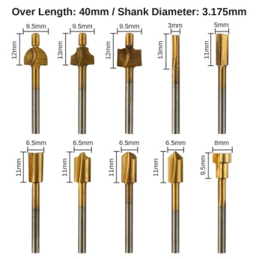
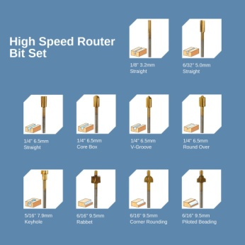
 |  |  |  |  |  |  | Piloted Rabbet - Handheld | RB10A | form mill | yes | 2 | Ti Coated | 9.5 | 3.175 | 40 | 22 |  |  |  |  |  |  |  |  |  |  |  |  |  |  | SainSmart [RB10A] Piloted Rabbet - Handheld Titanium Coating | Form Tool
 |  |  |  |  |  |  | Milling Cutter Straight, 2 Flute | RB10A | flat end mill | yes | 2 | Ti Coated | 3 | 3.175 | 40 | 22 | 13 | 12 |  |  |  |  |  |  |  |  |  |  |  |  | SainSmart [RB10A] Milling Cutter Straight, 2 Flute Titanium Coating | End Mill | 3 | 2
 |  |  |  |  |  |  | Milling Cutter Straight, 2 Flute | RB10A | flat end mill | yes | 2 | Ti Coated | 5 | 3.175 | 40 | 22 | 11 | 11 |  |  |  |  |  |  |  |  |  |  |  |  | SainSmart [RB10A] Milling Cutter Straight, 2 Flute Titanium Coating | End Mill | 5 | 2
 |  |  |  |  |  |  | Milling Cutter Straight, 2 Flute | RB10A | flat end mill | yes | 2 | Ti Coated | 6.5 | 3.175 | 40 | 22 | 11 | 11 |  |  |  |  |  |  |  |  |  |  |  |  | SainSmart [RB10A] Milling Cutter Straight, 2 Flute Titanium Coating | End Mill | 6.5 | 2
 |  |  |  |  |  |  | Milling Cutter Round Over 2 Flute | RB10A | radius mill | yes | 2 | Ti Coated | 6.5 | 3.175 | 40 | 22 | 11 | 11 | 2.25 |  | 0 |  |  |  |  |  |  |  |  |  | SainSmart [RB10A] Milling Cutter Round Over 2 Flute Titanium Coating | Form Tool
 |  |  |  |  |  |  | Milling Cutter Core Box 2 Flute | RB10A | ball end mill | yes | 2 | Ti Coated | 6.5 | 3.175 | 40 | 22 | 11 | 11 | 3 |  |  |  |  |  |  |  |  |  |  |  | SainSmart [RB10A] Milling Cutter Core Box 2 Flute Titanium Coating | Ball Nose | 6.5 | 2
 |  |  |  |  |  |  | Milling Cutter V Groove 6.5mm Dia 2 Flute | RB10A | tapered mill/Bull Nose | yes | 2 | Ti Coated | 0.01 | 3.175 | 40 | 22 | 3.25 | 3.25 | 0.001 | 45 |  |  |  |  |  |  | 0.1/7.75 | 3.175/6.5 | 6.5 |  | SainSmart [RB10A] Milling Cutter V Groove 6.5mm Dia 2 Flute Titanium Coating | V-Bit | 0.01 | 2 |  | 90
 |  |  |  |  |  |  | Milling Cutter Keyhole | RB10A | form mill | yes | 2 | Ti Coated | 7.9 | 3.175 | 40 | 22 |  | 9.5 |  |  |  |  |  |  |  |  |  |  |  |  | SainSmart [RB10A] Milling Cutter Keyhole Titanium Coating | Form Tool

 |  |  |  |  |  |  |  |  | Fusion 360 Setup |  |  |  |  |  |  |  |  |  |  |  |  |  |  |  |  |  |  |  |  | Vcarve Setup
Pack Description | Website Ref | Pack Qty | Same Varied | Bit Material | SKU | Coating | Individual Description | Product ID | Type | Clockwise | Number of Flutes | Material | Dia | Shaft Dia | OA Length | Length below Holder | Shoulder length | Flute Length | Corner Radius | Taper Angle (One side) | Tip Length | Tip Dia | Tip Angle | Thread Pitch | Number of Teeth | Thread Profile Angle | Shaft Height | Shaft Upper Dia | Shaft Lower Dia | Group Name | Notes | Type | Diameter | Flutes | Tip Radius | Included Angle | Side Angle | Flat Diameter | Tooth Height | Tooth Size | Tooth Offset | Neck Length
Genmitsu 1/8" Shank 10-PCS Titanium Coat HSS Rotary Burr Set, RR10A | RR10A | 10 | Varied | HSS | 101-61S-RR10A | Titanium Coating | Ball Nose Burr | RR10A | lollipop mill | yes | 10 | Ti Coated | 3 | 2 | 40 | 22 | 2.5 | 2.5 |  |  |  |  |  |  |  |  | 7 | 3.175 | 2 | SainSmart [RR10A] Rotary Burr Set Titanium Coat Set | SainSmart [RR10A] Ball Nose Burr Titanium Coating | Ball Nose | 3 | 10
 | Images |  |  |  |  |  | Bull Nose Burr | RR10A | bull nose end mill | yes | 10 | Ti Coated | 3 | 3.175 | 40 | 22 | 4 | 4 | 1.5 |  |  |  |  |  |  |  | 7 | 3.175 | 2 |  | SainSmart [RR10A] Bull Nose Burr Titanium Coating | Radiused End Mill | 3 | 10 | 1.5
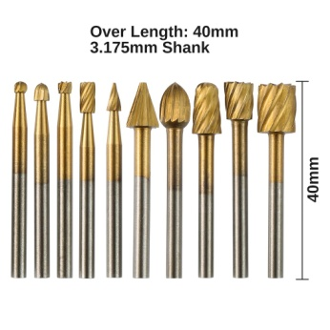
 |  |  |  |  |  |  | Dovetail Burr | RR10A | dovetail mill | yes | 10 | Ti Coated | 3 | 3.175 | 40 | 22 | 2.5 | 2.5 | 0.01 | 5 |  |  |  |  |  |  | 7 | 3.175 | 2 |  | SainSmart [RR10A] Dovetail Burr Titanium Coating | Form Tool
 |  |  |  |  |  |  | Straight Burr | RR10A | flat end mill | yes | 10 | Ti Coated | 3 | 3.175 | 40 | 22 | 6 | 6 |  |  |  |  |  |  |  |  | 7 | 3.175 | 2 |  | SainSmart [RR10A] Straight Burr Titanium Coating | End Mill | 3 | 10
 |  |  |  |  |  |  | V Burr 25Deg 3mm Dia 0.5mm Tip | RR10A | tapered mill/Bull Nose | yes | 10 | Ti Coated | 0.5 | 3.175 | 40 | 22 | 5.5 | 5.5 | 0.001 | 12.5 |  |  |  |  |  |  |  |  |  |  | SainSmart [RR10A] V Burr 25Deg 3mm Dia 0.5mm Tip Titanium Coating | Engraving | 0.5 | 10 |  |  | 12.5 | 0
 |  |  |  |  |  |  | V Burr 25Deg 6mm Dia 1mm Tip | RR10A | tapered mill/Bull Nose | yes | 10 | Ti Coated | 1 | 3.175 | 40 | 22 | 8.5 | 8.5 | 0.001 | 12.5 |  |  |  |  |  |  |  |  |  |  | SainSmart [RR10A] V Burr 25Deg 6mm Dia 1mm Tip Titanium Coating | Engraving | 1 | 10 |  |  | 12.5 | 0
 |  |  |  |  |  |  | Pear Burr - Handheld | RR10A | form mill | yes | 10 | Ti Coated |  | 3.175 | 40 | 22 |  |  |  |  |  |  |  |  |  |  |  |  |  |  | SainSmart [RR10A] Pear Burr - Handheld Titanium Coating | Form Tool
 |  |  |  |  |  |  | Ball Nose Tapered Burr 6mm Dia | RR10A | tapered mill/Ball | yes | 10 | Ti Coated | 4.5 | 3.175 | 40 | 22 | 11 | 11 | 2.25 | 5 |  |  |  |  |  |  |  |  |  |  | SainSmart [RR10A] Ball Nose Tapered Burr 6mm Dia Titanium Coating | Tapered Ball Nose | 3.175 | 10 | 2.25 |  | 5
 |  |  |  |  |  |  | Dovetail Burr | RR10A | dovetail mill | yes | 10 | Ti Coated | 6 | 3.175 | 40 | 22 | 8 | 8 | 0.001 | 5 |  |  |  |  |  |  |  |  |  |  | SainSmart [RR10A] Dovetail Burr Titanium Coating | Form Tool
 |  |  |  |  |  |  | Straight Burr | RR10A | flat end mill | yes | 10 | Ti Coated | 8 | 3.175 | 40 | 22 | 10 | 10 |  |  |  |  |  |  |  |  |  |  |  |  | SainSmart [RR10A] Straight Burr Titanium Coating | End Mill | 8 | 10

NEW ITEMS AS OF NOV 2020
 |  |  |  |  |  |  |  |  | Fusion 360 Setup |  |  |  |  |  |  |  |  |  |  |  |  |  |  |  |  |  |  |  |  | Vcarve Setup
Pack Description | Website Ref | Pack Qty | Same Varied | Bit Material | SKU | Coating | Individual Description | Product ID | Type | Clockwise | Number of Flutes | Material | Dia | Shaft Dia | OA Length | Length below Holder | Shoulder length | Flute Length | Corner Radius | Taper Angle (One side) | Tip Length | Tip Dia | Tip Angle | Thread Pitch | Number of Teeth | Thread Profile Angle | Shaft Height | Shaft Upper Dia | Shaft Lower Dia | Group Name | Notes | Type | Diameter | Flutes | Tip Radius | Included Angle | Side Angle | Flat Diameter | Tooth Height | Tooth Size | Tooth Offset | Neck Length
Genmitsu 3pcs 3-Flute CNC Spoilboard Surfacing Router Bits, 1/4'' Shank, 1'' Cutting Diameter, RB03A | RB03A | 3 | Same | Tungsten Carbide Steel Alloy | 101-61S-RB03A |  | Surfacing Bit 3 Flute 6.35mm Shank | RB03A | face mill | yes | 3 | HSS | 25.4 | 6.35 | 40 | 24 | 7 |  |  |  |  |  |  |  |  |  |  |  |  | SainSmart [RB03A] Surfacing | SainSmart [RB03A] Surfacing Bit 3 Flute 6.35mm Shank | End Mill | 25.4 | 3
 | Images
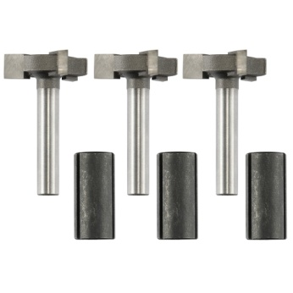

GET CHECKED - SOME MEASUREMENTS DODGY |  |  |  |  |  |  |  |  | Fusion 360 Setup |  |  |  |  |  |  |  |  |  |  |  |  |  |  |  |  |  |  |  |  | Vcarve Setup
Pack Description | Website Ref | Pack Qty | Same Varied | Bit Material | SKU | Coating | Individual Description | Product ID | Type | Clockwise | Number of Flutes | Material | Dia | Shaft Dia | OA Length | Length below Holder | Shoulder length | Flute Length | Corner Radius | Taper Angle (One side) | Tip Length | Tip Dia | Tip Angle | Thread Pitch | Number of Teeth | Thread Profile Angle | Shaft Height | Shaft Upper Dia | Shaft Lower Dia | Group Name | Notes | Type | Diameter | Flutes | Tip Radius | Included Angle | Side Angle | Flat Diameter | Tooth Height | Tooth Size | Tooth Offset | Neck Length
Genmitsu 2-Flute Flat Nose Spiral End Mill, 1/8'' Shank, 0.8mm-3.175mm Cutting Diameter, FN10A | FN10A | 10 | Varied | Tungsten Carbide Steel Alloy | 101-61S-FN10A | Nano Blue Coat | Flat Nose Spiral 2 Flute 5mm DOC | FN10A | flat end mill | yes | 2 | Ti Coated | 0.8 | 3.175 | 38 | 20 | 6 | 5 |  |  |  |  |  |  |  |  | 5 | 3.175 | 0.8 | SainSmart [FN10A] Flat Nose Spiral Set | SainSmart [FN10A] Flat Nose Spiral 2 Flute 5mm DOC Nano Blue Coat | End Mill | 0.8 | 2
 | Images |  |  |  |  |  | Flat Nose Spiral 2 Flute 4mm DOC | FN10A | flat end mill | yes | 2 | Ti Coated | 1 | 3.175 | 38 | 20 | 6 | 4 |  |  |  |  |  |  |  |  | 5 | 3.175 | 1 |  | SainSmart [FN10A] Flat Nose Spiral 2 Flute 4mm DOC Nano Blue Coat | End Mill | 1 | 2
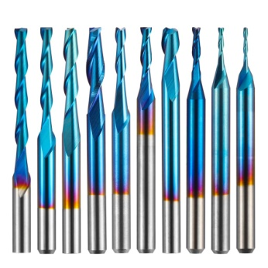
 |  |  |  |  |  |  | Flat Nose Spiral 2 Flute 8mm DOC | FN10A | flat end mill | yes | 2 | Ti Coated | 1.5 | 3.175 | 38 | 20 | 9 | 8 |  |  |  |  |  |  |  |  | 5 | 3.175 | 1.5 |  | SainSmart [FN10A] Flat Nose Spiral 2 Flute 8mm DOC Nano Blue Coat | End Mill | 1.5 | 2
 |  |  |  |  |  |  | Flat Nose Spiral 2 Flute 9mm DOC | FN10A | flat end mill | yes | 2 | Ti Coated | 2 | 3.175 | 38 | 20 | 10 | 9 |  |  |  |  |  |  |  |  | 2 | 3.175 | 2 |  | SainSmart [FN10A] Flat Nose Spiral 2 Flute 9mm DOC Nano Blue Coat | End Mill | 2 | 2
 |  |  |  |  |  |  | Flat Nose Spiral 2 Flute 13mm DOC | FN10A | flat end mill | yes | 2 | Ti Coated | 2 | 3.175 | 38 | 20 | 15 | 13 |  |  |  |  |  |  |  |  | 2 | 3.175 | 2 |  | SainSmart [FN10A] Flat Nose Spiral 2 Flute 13mm DOC Nano Blue Coat | End Mill | 2 | 2
 |  |  |  |  |  |  | Flat Nose Spiral 2 Flute 17mm DOC | FN10A | flat end mill | yes | 2 | Ti Coated | 2 | 3.175 | 38 | 20 | 19 | 17 |  |  |  |  |  |  |  |  | 2 | 3.175 | 2 |  | SainSmart [FN10A] Flat Nose Spiral 2 Flute 17mm DOC Nano Blue Coat | End Mill | 2 | 2
 |  |  |  |  |  |  | Flat Nose Spiral 2 Flute 22mm DOC | FN10A | flat end mill | yes | 2 | Ti Coated | 2 | 3.175 | 38 | 25 | 24 | 22 |  |  |  |  |  |  |  |  | 2 | 3.175 | 2 |  | SainSmart [FN10A] Flat Nose Spiral 2 Flute 22mm DOC Nano Blue Coat | End Mill | 2 | 2
 |  |  |  |  |  |  | Flat Nose Spiral 2 Flute 17mm DOC | FN10A | flat end mill | yes | 2 | Ti Coated | 2.5 | 3.175 | 38 | 20 | 19 | 17 |  |  |  |  |  |  |  |  | 2 | 3.175 | 2.5 |  | SainSmart [FN10A] Flat Nose Spiral 2 Flute 17mm DOC Nano Blue Coat | End Mill | 2.5 | 2
 |  |  |  |  |  |  | Flat Nose Spiral 2 Flute 10mm DOC | FN10A | flat end mill | yes | 2 | Ti Coated | 3.175 | 3.175 | 38 | 20 | 12 | 10 |  |  |  |  |  |  |  |  |  |  |  |  | SainSmart [FN10A] Flat Nose Spiral 2 Flute 10mm DOC Nano Blue Coat | End Mill | 3.175 | 2
 |  |  |  |  |  |  | Flat Nose Spiral 2 Flute 13mm DOC | FN10A | flat end mill | yes | 2 | Ti Coated | 3.175 | 3.175 | 38 | 20 | 14 | 13 |  |  |  |  |  |  |  |  |  |  |  |  | SainSmart [FN10A] Flat Nose Spiral 2 Flute 13mm DOC Nano Blue Coat | End Mill | 3.175 | 2

GET CHECKED - SOME MEASUREMENTS DODGY |  |  |  |  |  |  |  |  | Fusion 360 Setup |  |  |  |  |  |  |  |  |  |  |  |  |  |  |  |  |  |  |  |  | Vcarve Setup
Pack Description | Website Ref | Pack Qty | Same Varied | Bit Material | SKU | Coating | Individual Description | Product ID | Type | Clockwise | Number of Flutes | Material | Dia | Shaft Dia | OA Length | Length below Holder | Shoulder length | Flute Length | Corner Radius | Taper Angle (One side) | Tip Length | Tip Dia | Tip Angle | Thread Pitch | Number of Teeth | Thread Profile Angle | Shaft Height | Shaft Upper Dia | Shaft Lower Dia | Group Name | Notes | Type | Diameter | Flutes | Tip Radius | Included Angle | Side Angle | Flat Diameter | Tooth Height | Tooth Size | Tooth Offset | Neck Length
Genmitsu 10pcs 2-Flute Ball Nose Spiral End Mill, 1/8'' Shank, 0.8mm-2.5mm Cutting Diameter, BN10A | BN10A | 10 | Varied | Tungsten Carbide Steel Alloy | 101-61S-BN10A | Nano Blue Coat | Ball Nose Spiral 2 Flute 5mm DOC | BN10A | ball end mill | yes | 2 | Ti Coated | 0.8 | 3.175 | 38 | 22 | 6 | 5 |  |  |  |  |  |  |  |  | 5 | 3.175 | 0.8 | SainSmart [BN10A] Ball Nose Spiral Set | SainSmart [BN10A] Ball Nose Spiral 2 Flute 5mm DOC Nano Blue Coat | Ball Nose | 0.8 | 2
 | Images |  |  |  |  |  | Ball Nose Spiral 2 Flute 4mm DOC | BN10A | ball end mill | yes | 2 | Ti Coated | 1 | 3.175 | 38 | 22 | 6 | 4 |  |  |  |  |  |  |  |  | 5 | 3.175 | 1 |  | SainSmart [BN10A] Ball Nose Spiral 2 Flute 4mm DOC Nano Blue Coat | Ball Nose | 1 | 2
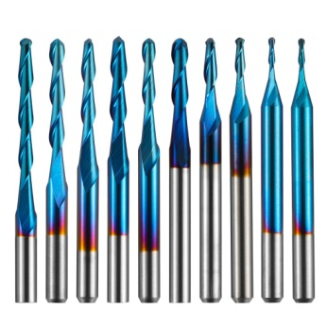
 |  |  |  |  |  |  | Ball Nose Spiral 2 Flute 8mm DOC | BN10A | ball end mill | yes | 2 | Ti Coated | 1.5 | 3.175 | 38 | 22 | 9 | 8 |  |  |  |  |  |  |  |  | 5 | 3.175 | 1.5 |  | SainSmart [BN10A] Ball Nose Spiral 2 Flute 8mm DOC Nano Blue Coat | Ball Nose | 1.5 | 2
 |  |  |  |  |  |  | Ball Nose Spiral 2 Flute 9mm DOC | BN10A | ball end mill | yes | 2 | Ti Coated | 2 | 3.175 | 38 | 22 | 10 | 9 |  |  |  |  |  |  |  |  | 2 | 3.175 | 2 |  | SainSmart [BN10A] Ball Nose Spiral 2 Flute 9mm DOC Nano Blue Coat | Ball Nose | 2 | 2
 |  |  |  |  |  |  | Ball Nose Spiral 2 Flute 13mm DOC | BN10A | ball end mill | yes | 2 | Ti Coated | 2 | 3.175 | 38 | 22 | 15 | 13 |  |  |  |  |  |  |  |  | 2 | 3.175 | 2 |  | SainSmart [BN10A] Ball Nose Spiral 2 Flute 13mm DOC Nano Blue Coat | Ball Nose | 2 | 2
 |  |  |  |  |  |  | Ball Nose Spiral 2 Flute 17mm DOC | BN10A | ball end mill | yes | 2 | Ti Coated | 2 | 3.175 | 38 | 22 | 19 | 17 |  |  |  |  |  |  |  |  | 2 | 3.175 | 2 |  | SainSmart [BN10A] Ball Nose Spiral 2 Flute 17mm DOC Nano Blue Coat | Ball Nose | 2 | 2
 |  |  |  |  |  |  | Ball Nose Spiral 2 Flute 22mm DOC | BN10A | ball end mill | yes | 2 | Ti Coated | 2 | 3.175 | 38 | 25 | 24 | 22 |  |  |  |  |  |  |  |  | 2 | 3.175 | 2 |  | SainSmart [BN10A] Ball Nose Spiral 2 Flute 22mm DOC Nano Blue Coat | Ball Nose | 2 | 2
 |  |  |  |  |  |  | Ball Nose Spiral 2 Flute 17mm DOC | BN10A | ball end mill | yes | 2 | Ti Coated | 2 | 3.175 | 38 | 22 | 19 | 17 |  |  |  |  |  |  |  |  |  |  |  |  | SainSmart [BN10A] Ball Nose Spiral 2 Flute 17mm DOC Nano Blue Coat | Ball Nose | 2 | 2
 |  |  |  |  |  |  | Ball Nose Spiral 2 Flute 10mm DOC | BN10A | ball end mill | yes | 2 | Ti Coated | 2.5 | 3.175 | 38 | 22 | 12 | 10 |  |  |  |  |  |  |  |  |  |  |  |  | SainSmart [BN10A] Ball Nose Spiral 2 Flute 10mm DOC Nano Blue Coat | Ball Nose | 2.5 | 2
 |  |  |  |  |  |  | Ball Nose Spiral 2 Flute 13mm DOC | BN10A | ball end mill | yes | 2 | Ti Coated | 2.5 | 3.175 | 38 | 22 | 14 | 13 |  |  |  |  |  |  |  |  |  |  |  |  | SainSmart [BN10A] Ball Nose Spiral 2 Flute 13mm DOC Nano Blue Coat | Ball Nose | 2.5 | 2

Set has 3 packs. A, B and C |  |  |  |  |  |  |  |  | Fusion 360 Setup |  |  |  |  |  |  |  |  |  |  |  |  |  |  |  |  |  |  |  |  | Vcarve Setup
Pack Description | Website Ref | Pack Qty | Same Varied | Bit Material | SKU | Coating | Individual Description | Product ID | Type | Clockwise | Number of Flutes | Material | Dia | Shaft Dia | OA Length | Length below Holder | Shoulder length | Flute Length | Corner Radius | Taper Angle (One side) | Tip Length | Tip Dia | Tip Angle | Thread Pitch | Number of Teeth | Thread Profile Angle | Shaft Height | Shaft Upper Dia | Shaft Lower Dia | Group Name | Notes | Type | Diameter | Flutes | Tip Radius | Included Angle | Side Angle | Flat Diameter | Tooth Height | Tooth Size | Tooth Offset | Neck Length
Genmitsu 30pcs PCB Drill Bits Set, 0.1mm-3.0mm, 1/8" Shank, PD30A | PD30A | 30 | Varied | Tungsten Carbide Steel Alloy | 101-61S-PD30A |  | PCB Drill | PD30A | Drill | yes | 2 | HSS | 0.1 | 3.175 | 38 | 22 | 2.5 | 2 |  |  |  |  | 118 |  |  |  | 4/3/1 | 3.175/.75/.75 | .75/.75/.1 | SainSmart [PD30A] PCB Dills 0.1-3.0mm Set | SainSmart [PD30A] PCB Drill | Drill | 0.1 | 2 |  | 118
 | Images |  |  |  |  |  | PCB Drill | PD30A | Drill | yes | 2 | HSS | 0.2 | 3.175 | 38 | 22 | 4.5 | 4 |  |  |  |  | 118 |  |  |  | 3.5/2/1 | 3.175/.75/.75 | .75/.75/.2 |  | SainSmart [PD30A] PCB Drill | Drill | 0.2 | 2 |  | 118
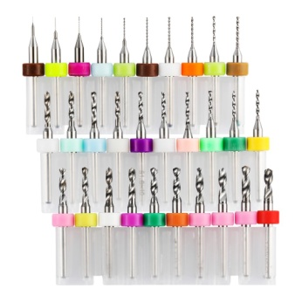
 |  |  |  |  |  |  | PCB Drill | PD30A | Drill | yes | 2 | HSS | 0.3 | 3.175 | 38 | 22 | 5.5 | 5 |  |  |  |  | 118 |  |  |  | 3.5/1/1 | 3.175/.75/.75 | .75/.75/.3 |  | SainSmart [PD30A] PCB Drill | Drill | 0.3 | 2 |  | 118
 |  |  |  |  |  |  | PCB Drill | PD30A | Drill | yes | 2 | HSS | 0.4 | 3.175 | 38 | 22 | 6.5 | 6 |  |  |  |  | 118 |  |  |  | 3.5/1/1 | 3.175/.75/.75 | .75/.75/.4 |  | SainSmart [PD30A] PCB Drill | Drill | 0.4 | 2 |  | 118
 |  |  |  |  |  |  | PCB Drill | PD30A | Drill | yes | 2 | HSS | 0.5 | 3.175 | 38 | 22 | 7 | 6.5 |  |  |  |  | 118 |  |  |  | 3/2/1 | 3.175/.75/.75 | .75/.75/.5 |  | SainSmart [PD30A] PCB Drill | Drill | 0.5 | 2 |  | 118
 |  |  |  |  |  |  | PCB Drill | PD30A | Drill | yes | 2 | HSS | 0.6 | 3.175 | 38 | 22 | 9.5 | 9 |  |  |  |  | 118 |  |  |  | 4 | 3.175 | 0.6 |  | SainSmart [PD30A] PCB Drill | Drill | 0.6 | 2 |  | 118
 |  |  |  |  |  |  | PCB Drill | PD30A | Drill | yes | 2 | HSS | 0.7 | 3.175 | 38 | 22 | 9.5 | 9 |  |  |  |  | 118 |  |  |  | 4 | 3.175 | 0.7 |  | SainSmart [PD30A] PCB Drill | Drill | 0.7 | 2 |  | 118
 |  |  |  |  |  |  | PCB Drill | PD30A | Drill | yes | 2 | HSS | 0.8 | 3.175 | 38 | 22 | 9.5 | 9 |  |  |  |  | 118 |  |  |  | 4 | 3.175 | 0.8 |  | SainSmart [PD30A] PCB Drill | Drill | 0.8 | 2 |  | 118
 |  |  |  |  |  |  | PCB Drill | PD30A | Drill | yes | 2 | HSS | 0.9 | 3.175 | 38 | 22 | 9.5 | 9 |  |  |  |  | 118 |  |  |  | 4.5 | 3.175 | 0.9 |  | SainSmart [PD30A] PCB Drill | Drill | 0.9 | 2 |  | 118
 |  |  |  |  |  |  | PCB Drill | PD30A | Drill | yes | 2 | HSS | 1 | 3.175 | 38 | 22 | 9.5 | 9 |  |  |  |  | 118 |  |  |  | 3.5 | 3.175 | 1 |  | SainSmart [PD30A] PCB Drill | Drill | 1 | 2 |  | 118
 |  |  |  |  |  |  | PCB Drill | PD30A | Drill | yes | 2 | HSS | 1.1 | 3.175 | 38 | 22 | 12 | 11 |  |  |  |  | 118 |  |  |  | 1.5 | 3.175 | 1.1 |  | SainSmart [PD30A] PCB Drill | Drill | 1.1 | 2 |  | 118
 |  |  |  |  |  |  | PCB Drill | PD30A | Drill | yes | 2 | HSS | 1.2 | 3.175 | 38 | 22 | 12 | 11 |  |  |  |  | 118 |  |  |  | 1.5 | 3.175 | 1.2 |  | SainSmart [PD30A] PCB Drill | Drill | 1.2 | 2 |  | 118
 |  |  |  |  |  |  | PCB Drill | PD30A | Drill | yes | 2 | HSS | 1.3 | 3.175 | 38 | 22 | 12 | 11 |  |  |  |  | 118 |  |  |  | 1.5 | 3.175 | 1.3 |  | SainSmart [PD30A] PCB Drill | Drill | 1.3 | 2 |  | 118
 |  |  |  |  |  |  | PCB Drill | PD30A | Drill | yes | 2 | HSS | 1.4 | 3.175 | 38 | 22 | 12 | 11 |  |  |  |  | 118 |  |  |  | 1.5 | 3.175 | 1.4 |  | SainSmart [PD30A] PCB Drill | Drill | 1.4 | 2 |  | 118
 |  |  |  |  |  |  | PCB Drill | PD30A | Drill | yes | 2 | HSS | 1.5 | 3.175 | 38 | 22 | 10 | 9 |  |  |  |  | 118 |  |  |  | 2 | 3.175 | 1.5 |  | SainSmart [PD30A] PCB Drill | Drill | 1.5 | 2 |  | 118
 |  |  |  |  |  |  | PCB Drill | PD30A | Drill | yes | 2 | HSS | 1.6 | 3.175 | 38 | 22 | 10 | 9 |  |  |  |  | 118 |  |  |  | 1.5 | 3.175 | 1.6 |  | SainSmart [PD30A] PCB Drill | Drill | 1.6 | 2 |  | 118
 |  |  |  |  |  |  | PCB Drill | PD30A | Drill | yes | 2 | HSS | 1.7 | 3.175 | 38 | 22 | 12 | 11 |  |  |  |  | 118 |  |  |  | 2.5 | 3.175 | 1.7 |  | SainSmart [PD30A] PCB Drill | Drill | 1.7 | 2 |  | 118
 |  |  |  |  |  |  | PCB Drill | PD30A | Drill | yes | 2 | HSS | 1.8 | 3.175 | 38 | 22 | 10 | 9 |  |  |  |  | 118 |  |  |  | 2.5 | 3.175 | 1.8 |  | SainSmart [PD30A] PCB Drill | Drill | 1.8 | 2 |  | 118
 |  |  |  |  |  |  | PCB Drill | PD30A | Drill | yes | 2 | HSS | 1.9 | 3.175 | 38 | 22 | 10 | 9 |  |  |  |  | 118 |  |  |  | 2.5 | 3.175 | 1.9 |  | SainSmart [PD30A] PCB Drill | Drill | 1.9 | 2 |  | 118
 |  |  |  |  |  |  | PCB Drill | PD30A | Drill | yes | 2 | HSS | 2 | 3.175 | 38 | 22 | 10 | 9 |  |  |  |  | 118 |  |  |  | 2.5 | 3.175 | 2 |  | SainSmart [PD30A] PCB Drill | Drill | 2 | 2 |  | 118
 |  |  |  |  |  |  | PCB Drill | PD30A | Drill | yes | 2 | HSS | 2.1 | 3.175 | 38 | 22 | 10 | 9 |  |  |  |  | 118 |  |  |  | 1 | 3.175 | 2.1 |  | SainSmart [PD30A] PCB Drill | Drill | 2.1 | 2 |  | 118
 |  |  |  |  |  |  | PCB Drill | PD30A | Drill | yes | 2 | HSS | 2.2 | 3.175 | 38 | 22 | 11 | 10 |  |  |  |  | 118 |  |  |  | 1 | 3.175 | 2.2 |  | SainSmart [PD30A] PCB Drill | Drill | 2.2 | 2 |  | 118
 |  |  |  |  |  |  | PCB Drill | PD30A | Drill | yes | 2 | HSS | 2.3 | 3.175 | 38 | 22 | 11 | 10 |  |  |  |  | 118 |  |  |  | 1 | 3.175 | 2.3 |  | SainSmart [PD30A] PCB Drill | Drill | 2.3 | 2 |  | 118
 |  |  |  |  |  |  | PCB Drill | PD30A | Drill | yes | 2 | HSS | 2.4 | 3.175 | 38 | 22 | 11 | 10 |  |  |  |  | 118 |  |  |  | 1 | 3.175 | 2.4 |  | SainSmart [PD30A] PCB Drill | Drill | 2.4 | 2 |  | 118
 |  |  |  |  |  |  | PCB Drill | PD30A | Drill | yes | 2 | HSS | 2.5 | 3.175 | 38 | 22 | 11 | 10 |  |  |  |  | 118 |  |  |  | 1 | 3.175 | 2.5 |  | SainSmart [PD30A] PCB Drill | Drill | 2.5 | 2 |  | 118
 |  |  |  |  |  |  | PCB Drill | PD30A | Drill | yes | 2 | HSS | 2.6 | 3.175 | 38 | 22 | 11 | 10 |  |  |  |  | 118 |  |  |  | 1 | 3.175 | 2.6 |  | SainSmart [PD30A] PCB Drill | Drill | 2.6 | 2 |  | 118
 |  |  |  |  |  |  | PCB Drill | PD30A | Drill | yes | 2 | HSS | 2.7 | 3.175 | 38 | 22 | 11 | 10 |  |  |  |  | 118 |  |  |  | 1 | 3.175 | 2.7 |  | SainSmart [PD30A] PCB Drill | Drill | 2.7 | 2 |  | 118
 |  |  |  |  |  |  | PCB Drill | PD30A | Drill | yes | 2 | HSS | 2.8 | 3.175 | 38 | 22 | 11 | 10 |  |  |  |  | 118 |  |  |  | 1 | 3.175 | 2.8 |  | SainSmart [PD30A] PCB Drill | Drill | 2.8 | 2 |  | 118
 |  |  |  |  |  |  | PCB Drill | PD30A | Drill | yes | 2 | HSS | 2.9 | 3.175 | 38 | 22 | 11 | 10 |  |  |  |  | 118 |  |  |  | 1 | 3.175 | 2.9 |  | SainSmart [PD30A] PCB Drill | Drill | 2.9 | 2 |  | 118
 |  |  |  |  |  |  | PCB Drill | PD30A | Drill | yes | 2 | HSS | 3 | 3.175 | 38 | 22 | 11 | 10 |  |  |  |  | 118 |  |  |  | 1 | 3.175 | 3 |  | SainSmart [PD30A] PCB Drill | Drill | 3 | 2 |  | 118

 |  |  |  |  |  |  |  |  | Fusion 360 Setup |  |  |  |  |  |  |  |  |  |  |  |  |  |  |  |  |  |  |  |  | Vcarve Setup
Pack Description | Website Ref | Pack Qty | Same Varied | Bit Material | SKU | Coating | Individual Description | Product ID | Type | Clockwise | Number of Flutes | Material | Dia | Shaft Dia | OA Length | Length below Holder | Shoulder length | Flute Length | Corner Radius | Taper Angle (One side) | Tip Length | Tip Dia | Tip Angle | Thread Pitch | Number of Teeth | Thread Profile Angle | Shaft Height | Shaft Upper Dia | Shaft Lower Dia | Group Name | Notes | Type | Diameter | Flutes | Tip Radius | Included Angle | Side Angle | Flat Diameter | Tooth Height | Tooth Size | Tooth Offset | Neck Length
Genmitsu M42-8% Cobalt Roughing End Mill 3-Pack, 1/4’’ Shank, 4-Flute, Corncob, CT03A | CT03A | 3 | Same | Tungsten Carbide Steel Alloy | 101-61S-CT03A | Nano Blue Coat | Roughing Corncob | CT03A | flat end mill | yes | 4 | Ti Coated | 6 | 6.35 | 50 | 32 | 17 | 15 |  |  |  |  |  |  |  |  |  |  |  | SainSmart [CT03A] Roughing Corncob End Mills | SainSmart [CT03A] Roughing Corncob Nano Blue Coat | End Mill | 6 | 4
 | Images
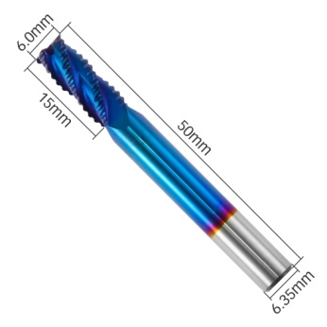

 |  |  |  |  |  |  |  |  | Fusion 360 Setup |  |  |  |  |  |  |  |  |  |  |  |  |  |  |  |  |  |  |  |  | Vcarve Setup
Pack Description | Website Ref | Pack Qty | Same Varied | Bit Material | SKU | Coating | Individual Description | Product ID | Type | Clockwise | Number of Flutes | Material | Dia | Shaft Dia | OA Length | Length below Holder | Shoulder length | Flute Length | Corner Radius | Taper Angle (One side) | Tip Length | Tip Dia | Tip Angle | Thread Pitch | Number of Teeth | Thread Profile Angle | Shaft Height | Shaft Upper Dia | Shaft Lower Dia | Group Name | Notes | Type | Diameter | Flutes | Tip Radius | Included Angle | Side Angle | Flat Diameter | Tooth Height | Tooth Size | Tooth Offset | Neck Length
Genmitsu Single Flute Spiral Downcut Cutter 3-Pack 1/4'' Shank, SD03A | SD03A | 3 | Varied | Tungsten Carbide Steel Alloy | 101-61S-SD03A | Nano Blue Coat | Spiral Downcut Flat end 12mm DOC | SD03A | flat end mill | yes | 1 | Ti Coated | 6.35 | 6.35 | 50 | 32 | 16 | 12 |  |  |  |  |  |  |  |  |  |  |  | SainSmart [SD03A] Spiral Downcut Corncob End Mill Set | SainSmart [SD03A] Spiral Downcut Flat end 12mm DOC Nano Blue Coat | End Mill | 6.35 | 1
 | Images |  |  |  | CHANGE F360 |  | Spiral Downcut Flat end 17mm DOC | SD03A | flat end mill | yes | 1 | Ti Coated | 6.35 | 6.35 | 50 | 32 | 21 | 17 |  |  |  |  |  |  |  |  |  |  |  |  | SainSmart [SD03A] Spiral Downcut Flat end 17mm DOC Nano Blue Coat | End Mill | 6.35 | 1
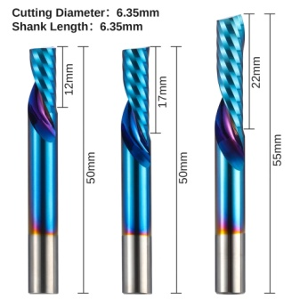
 |  |  |  |  |  |  | Spiral Downcut Flat end 22mm DOC | SD03A | flat end mill | yes | 1 | Ti Coated | 6.35 | 6.35 | 55 | 37 | 26 | 22 |  |  |  |  |  |  |  |  |  |  |  |  | SainSmart [SD03A] Spiral Downcut Flat end 22mm DOC Nano Blue Coat | End Mill | 6.35 | 1

 |  |  |  |  |  |  |  |  | Fusion 360 Setup |  |  |  |  |  |  |  |  |  |  |  |  |  |  |  |  |  |  |  |  | Vcarve Setup
Pack Description | Website Ref | Pack Qty | Same Varied | Bit Material | SKU | Coating | Individual Description | Product ID | Type | Clockwise | Number of Flutes | Material | Dia | Shaft Dia | OA Length | Length below Holder | Shoulder length | Flute Length | Corner Radius | Taper Angle (One side) | Tip Length | Tip Dia | Tip Angle | Thread Pitch | Number of Teeth | Thread Profile Angle | Shaft Height | Shaft Upper Dia | Shaft Lower Dia | Group Name | Notes | Type | Diameter | Flutes | Tip Radius | Included Angle | Side Angle | Flat Diameter | Tooth Height | Tooth Size | Tooth Offset | Neck Length
Genmitsu Single Flute Spiral Upcut Cutter 5-Pack, 1/4'' Shank, SU05A | SU05A | 5 | Varied | Tungsten Carbide Steel Alloy | 101-61SSU05A | Nano Blue Coat | Spiral Upcut Flat end 12mm DOC | SU05A | flat end mill | yes | 1 | Ti Coated | 6 | 6.35 | 50 | 32 | 14 | 12 |  |  |  |  |  |  |  |  |  |  |  | SainSmart [SU05A] Spiral Upcut Corncob End Mill Set | SainSmart [SU05A] Spiral Upcut Flat end 12mm DOC Nano Blue Coat | End Mill | 6 | 1
 | Images |  |  |  |  |  | Spiral Upcut Flat end 15mm DOC | SU05A | flat end mill | yes | 1 | Ti Coated | 6 | 6.35 | 50 | 32 | 17 | 15 |  |  |  |  |  |  |  |  |  |  |  |  | SainSmart [SU05A] Spiral Upcut Flat end 15mm DOC Nano Blue Coat | End Mill | 6 | 1
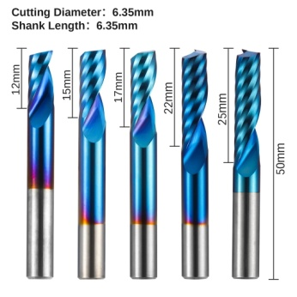
 |  |  |  |  |  |  | Spiral Upcut Flat end 17mm DOC | SU05A | flat end mill | yes | 1 | Ti Coated | 6 | 6.35 | 50 | 32 | 19 | 17 |  |  |  |  |  |  |  |  |  |  |  |  | SainSmart [SU05A] Spiral Upcut Flat end 17mm DOC Nano Blue Coat | End Mill | 6 | 1
 |  |  |  |  |  |  | Spiral Upcut Flat end 22mm DOC | SU05A | flat end mill | yes | 1 | Ti Coated | 6 | 6.35 | 50 | 32 | 24 | 22 |  |  |  |  |  |  |  |  |  |  |  |  | SainSmart [SU05A] Spiral Upcut Flat end 22mm DOC Nano Blue Coat | End Mill | 6 | 1
 |  |  |  |  |  |  | Spiral Upcut Flat end 25mm DOC | SU05A | flat end mill | yes | 1 | Ti Coated | 6 | 6.35 | 50 | 32 | 27 | 25 |  |  |  |  |  |  |  |  |  |  |  |  | SainSmart [SU05A] Spiral Upcut Flat end 25mm DOC Nano Blue Coat | End Mill | 6 | 1

 |  |  |  |  |  |  |  |  | Fusion 360 Setup |  |  |  |  |  |  |  |  |  |  |  |  |  |  |  |  |  |  |  |  | Vcarve Setup
Pack Description | Website Ref | Pack Qty | Same Varied | Bit Material | SKU | Coating | Individual Description | Product ID | Type | Clockwise | Number of Flutes | Material | Dia | Shaft Dia | OA Length | Length below Holder | Shoulder length | Flute Length | Corner Radius | Taper Angle (One side) | Tip Length | Tip Dia | Tip Angle | Thread Pitch | Number of Teeth | Thread Profile Angle | Shaft Height | Shaft Upper Dia | Shaft Lower Dia | Group Name | Notes | Type | Diameter | Flutes | Tip Radius | Included Angle | Side Angle | Flat Diameter | Tooth Height | Tooth Size | Tooth Offset | Neck Length
Genmitsu 3-Flute Square End Mill for Aluminum Applications 6-Pack, 1/4’’ Shank, SN06A | SN06A | 6 | Varied | Tungsten Carbide Steel Alloy | 101-61S-SN06A | Nano Blue Coat | Spiral Square End for Soft Metals | SN06A | flat end mill | yes | 3 | Ti Coated | 5 | 6.35 | 50 | 32 | 17 | 15 |  |  |  |  |  |  |  |  |  |  |  | SainSmart [SN06A] Spiral square End for Soft Metals 6.35mm Shank Set | SainSmart [SN06A] Spiral Square End for Soft Metals Nano Blue Coat | End Mill | 5 | 3
 | Images |  |  |  |  |  | Spiral Square End for Soft Metals | SN06A | flat end mill | yes | 3 | Ti Coated | 6 | 6.35 | 50 | 32 | 22 | 20 |  |  |  |  |  |  |  |  |  |  |  |  | SainSmart [SN06A] Spiral Square End for Soft Metals Nano Blue Coat | End Mill | 6 | 3


 |  |  |  |  |  |  |  |  | Fusion 360 Setup |  |  |  |  |  |  |  |  |  |  |  |  |  |  |  |  |  |  |  |  | Vcarve Setup
Pack Description | Website Ref | Pack Qty | Same Varied | Bit Material | SKU | Coating | Individual Description | Product ID | Type | Clockwise | Number of Flutes | Material | Dia | Shaft Dia | OA Length | Length below Holder | Shoulder length | Flute Length | Corner Radius | Taper Angle (One side) | Tip Length | Tip Dia | Tip Angle | Thread Pitch | Number of Teeth | Thread Profile Angle | Shaft Height | Shaft Upper Dia | Shaft Lower Dia | Group Name | Notes | Type | Diameter | Flutes | Tip Radius | Included Angle | Side Angle | Flat Diameter | Tooth Height | Tooth Size | Tooth Offset | Neck Length
Genmitsu 3-Flute Square End Mill for Aluminum Applications 7-Pack, 4mm Shank, SN07A | SN07A | 7 | Same (Dia) | Tungsten Carbide Steel Alloy | 101-61S-SN07A | Nano Blue Coat | Spiral Square End for Soft Metals | SN07A | flat end mill | yes | 3 | Ti Coated | 1 | 4 | 50 | 32 | 5 | 3 |  |  |  |  |  |  |  |  | 8 | 4 | 1 | SainSmart [SN07A] Spiral square End for Soft Metals 4mm Shank Set | SainSmart [SN07A] Spiral Square End for Soft Metals Nano Blue Coat | End Mill | 1 | 3
 | Images |  |  |  |  |  | Spiral Square End for Soft Metals | SN07A | flat end mill | yes | 3 | Ti Coated | 1.5 | 4 | 50 | 32 | 7 | 5 |  |  |  |  |  |  |  |  | 8 | 4 | 1.5 |  | SainSmart [SN07A] Spiral Square End for Soft Metals Nano Blue Coat | End Mill | 1.5 | 3

 |  |  |  |  |  |  | Spiral Square End for Soft Metals | SN07A | flat end mill | yes | 3 | Ti Coated | 2 | 4 | 50 | 32 | 9 | 7 |  |  |  |  |  |  |  |  | 6 | 4 | 2 |  | SainSmart [SN07A] Spiral Square End for Soft Metals Nano Blue Coat | End Mill | 2 | 3
 |  |  |  |  |  |  | Spiral Square End for Soft Metals | SN07A | flat end mill | yes | 3 | Ti Coated | 2.5 | 4 | 50 | 32 | 10 | 8 |  |  |  |  |  |  |  |  | 4 | 4 | 2.5 |  | SainSmart [SN07A] Spiral Square End for Soft Metals Nano Blue Coat | End Mill | 2.5 | 3
 |  |  |  |  |  |  | Spiral Square End for Soft Metals | SN07A | flat end mill | yes | 3 | Ti Coated | 3 | 4 | 50 | 32 | 13 | 11 |  |  |  |  |  |  |  |  | 2 | 4 | 3 |  | SainSmart [SN07A] Spiral Square End for Soft Metals Nano Blue Coat | End Mill | 3 | 3
 |  |  |  |  |  |  | Spiral Square End for Soft Metals | SN07A | flat end mill | yes | 3 | Ti Coated | 3.5 | 4 | 50 | 32 | 14 | 12 |  |  |  |  |  |  |  |  | 1 | 4 | 3.5 |  | SainSmart [SN07A] Spiral Square End for Soft Metals Nano Blue Coat | End Mill | 3.5 | 3
 |  |  |  |  |  |  | Spiral Square End for Soft Metals | SN07A | flat end mill | yes | 3 | Ti Coated | 4 | 4 | 50 | 32 | 15 | 13 |  |  |  |  |  |  |  |  |  |  |  |  | SainSmart [SN07A] Spiral Square End for Soft Metals Nano Blue Coat | End Mill | 4 | 3

 |  |  |  |  |  |  |  |  | Fusion 360 Setup |  |  |  |  |  |  |  |  |  |  |  |  |  |  |  |  |  |  |  |  | Vcarve Setup
Pack Description | Website Ref | Pack Qty | Same Varied | Bit Material | SKU | Coating | Individual Description | Product ID | Type | Clockwise | Number of Flutes | Material | Dia | Shaft Dia | OA Length | Length below Holder | Shoulder length | Flute Length | Corner Radius | Taper Angle (One side) | Tip Length | Tip Dia | Tip Angle | Thread Pitch | Number of Teeth | Thread Profile Angle | Shaft Height | Shaft Upper Dia | Shaft Lower Dia | Group Name | Notes | Type | Diameter | Flutes | Tip Radius | Included Angle | Side Angle | Flat Diameter | Tooth Height | Tooth Size | Tooth Offset | Neck Length
Genmitsu 2-Flute Tapered Ball Nose Spiral End Mill 4-Pack Set, 1/4" Shank, TB04B | TB04B | 4 | Same (Dia) | Tungsten Carbide Steel Alloy | 101-61S-TB04B | Nano Blue Coat | Spiral Tapered ball nose | TB04B | tapered mill/Ball | yes | 2 | Ti Coated | 0.25 | 6.35 | 50 | 32 | 22 | 20 | 0.125 | 8 |  |  |  |  |  |  |  |  |  | SainSmart [TB04B] Tapered Ball Nose Set | SainSmart [TB04B] Spiral Tapered ball nose Nano Blue Coat | Tapered Ball Nose | 6.35 | 2 | 0.125 |  | 8
 | Images |  |  |  |  |  | Spiral Tapered ball nose | TB04B | tapered mill/Ball | yes | 2 | Ti Coated | 0.5 | 6.35 | 50 | 32 | 22 | 20 | 0.25 | 7.5 |  |  |  |  |  |  |  |  |  |  | SainSmart [TB04B] Spiral Tapered ball nose Nano Blue Coat | Tapered Ball Nose | 6.35 | 2 | 0.25 |  | 7.5


 |  |  |  |  |  |  | Spiral Tapered ball nose | TB04B | tapered mill/Ball | yes | 2 | Ti Coated | 0.75 | 6.35 | 50 | 32 | 22 | 20 | 0.375 | 7.2 |  |  |  |  |  |  |  |  |  |  | SainSmart [TB04B] Spiral Tapered ball nose Nano Blue Coat | Tapered Ball Nose | 6.35 | 2 | 0.375 |  | 7.2
 |  |  |  |  |  |  | Spiral Tapered ball nose | TB04B | tapered mill/Ball | yes | 2 | Ti Coated | 1 | 6.35 | 50 | 32 | 22 | 20 | 0.5 | 7 |  |  |  |  |  |  |  |  |  |  | SainSmart [TB04B] Spiral Tapered ball nose Nano Blue Coat | Tapered Ball Nose | 6.35 | 2 | 0.5 |  | 7

DOES NOT FIT IN THE NORMAL MATRIX!!!! |  |  |  |  |  |  |  |  | Fusion 360 Setup |  |  |  |  |  |  |  |  |  |  |  |  |  |  |  |  |  |  |  |  | Vcarve Setup
Pack Description | Website Ref | Pack Qty | Same Varied | Bit Material | SKU | Coating | Individual Description | Product ID | Type | Clockwise | Number of Flutes | Material | Dia | Shaft Dia | OA Length | Length below Holder | Shoulder length | Flute Length | Corner Radius | Taper Angle (One side) | Tip Length | Tip Dia | Tip Angle | Thread Pitch | Number of Teeth | Thread Profile Angle | Shaft Height | Shaft Upper Dia | Shaft Lower Dia | Group Name | Notes | Type | Diameter | Flutes | Tip Radius | Included Angle | Side Angle | Flat Diameter | Tooth Height | Tooth Size | Tooth Offset | Neck Length
Genmistu CNC Blue-Violet Light Fixed focus laser module kit, for 3018-PROVer, 3018-MX3 | FL55 | 1 |  |  | 101-63-FL55 |  | Fixed Focus Laser 5.5W 445nm | 101-63-FL55 |  |  |  |  |  |  |  |  |  |  |  |  |  |  |  |  |  |  |  |  |  |  | SainSmart [101-63-FL55] Fixed Focus Laser 5.5W 445nm
 | Images |  |  |  |  |  | Variable Focus Laser 5.5W | Discontinued |  |  |  |  |  |  |  |  |  |  |  |  |  |  |  |  |  |  |  |  |  |  | SainSmart [Discontinued] Variable Focus Laser 5.5W

 |  |  |  |  |  |  | Variable Focus Laser 2.5W | Discontinued |  |  |  |  |  |  |  |  |  |  |  |  |  |  |  |  |  |  |  |  |  |  | SainSmart [Discontinued] Variable Focus Laser 2.5W

